Đề 6-7
STT | Hình của ai | Tên hình | Dán hình ở đây | Code Tex nè | Hình Tex nè | Người vẽ | Ghi chú
Vẽ hình sách STAR - Google Trang tính | Trâm | H5 |  | \begin{tikzpicture}[scale=1,line width=0.8pt,line join=round,>=stealth] \def\d{5} \def\c{1.5} \path (0,0) coordinate (b) (\d,0) coordinate (b') (\c,0) coordinate (B) (0,\c) coordinate (a) (\d,\c) coordinate (a') ($(B)+(60:1.7*\c)$) coordinate (c) ($(c)!1.3!(B)$) coordinate (c') (intersection of c--c' and a--a') coordinate (A); \draw (a')--(a)node[above right]{$a$} (b')--(b)node[above right]{$b$} (c)--(c'); \foreach \x/ \goc in {A/130,B/130} \fill (\x) circle (1.5pt) ($(\x)+(\goc:3mm)$) node {$\x$}; \pic [draw, angle radius = 4mm,angle eccentricity=1.8,"$1$"] {angle = a'--A--c}; \pic [draw, double,angle radius = 3mm,angle eccentricity=2,"$x$"] {angle = c'--B--b'}; \end{tikzpicture} |  | UQ
2 | Trâm | H6 |  | \begin{tikzpicture}[scale=1,line width=0.8pt,line join=round,>=stealth] \def\b{4.2} \def\d{3.5} \path (0,0) coordinate (C) ($(C)+(15:\d)$) coordinate (D) ($(C)+(35:\b)$) coordinate (B) ($(B)+(195:\d)$) coordinate (A) ($(A)!1.3!(B)$) coordinate (a') ($(A)!-0.3!(B)$) coordinate (a) ($(C)!1.3!(D)$) coordinate (b') ($(C)!-0.3!(D)$) coordinate (b) ; \draw (a')--(a) (b')--(b) (C)--(B); \foreach \x/ \goc in {A/90,B/90,C/-90,D/-90} \fill (\x) circle (1.5pt) ($(\x)+(\goc:3mm)$) node {$\x$}; \pic [draw, angle radius = 8mm,angle eccentricity=2,"$20^\circ$"] {angle = A--B--C}; \end{tikzpicture} |  | UQ
3 | Trâm | H7 | 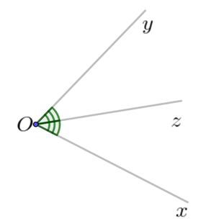 | \begin{tikzpicture}[scale=1,line width=0.8pt,line join=round,>=stealth] \def\a{3.5} \path (0,0) coordinate (O) +(-25:\a) coordinate (x)node[below left]{$x$} +(10:\a) coordinate (z)node[below]{$z$} +(45:\a) coordinate (y)node[below]{$y$} ; \draw (x)--(O)--(y) (O)--(z); \foreach \x/ \goc in {O/180} \fill (\x) circle (1.5pt) ($(\x)+(\goc:3mm)$) node {$\x$}; \pic [draw, angle radius = 5mm,double] {angle = x--O--z}; \pic [draw, angle radius = 6mm,double] {angle = z--O--y}; \end{tikzpicture} | 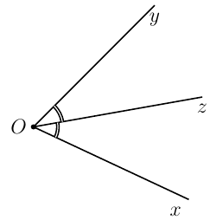 | UQ
4 | Trâm | H8 |  | \begin{tikzpicture}[scale=1,line width=0.8pt,line join=round,>=stealth] \def\a{2} \def\b{2.7} \path (0,0) coordinate (A) (\a,0) coordinate (B) (2*\a,0) coordinate (C) ($(A)+(60:\b)$) coordinate (a) ($(B)+(60:\b)$) coordinate (b) ($(a)!1.6!(A)$) coordinate (a'); \draw (a')--(a)node[below right]{$a$} (B)--(b)node[below right]{$b$} (A)--(C)--++(0:0.8); \foreach \x/ \goc in {A/160,B/-90,C/-90} \fill (\x) circle (1.5pt) ($(\x)+(\goc:3mm)$) node {$\x$}; \pic [draw, angle radius = 3mm,angle eccentricity=1.8,"$120^\circ$"] {angle = a'--A--B}; \pic [draw, angle radius = 4mm,double,angle eccentricity=2,"$60^\circ$"] {angle = C--B--b}; \end{tikzpicture} |  | UQ
5 | Trâm | H40 |  | \begin{tikzpicture}[scale=1,line width=0.8pt,line join=round,>=stealth] \def\d{4} \def\c{1.5} \path (0,0) coordinate (b) (\d,0) coordinate (b') (\c,0) coordinate (B) (0,\c) coordinate (a) (\d,\c) coordinate (a') ($(B)+(50:1.7*\c)$) coordinate (c) ($(c)!1.3!(B)$) coordinate (c') (intersection of c--c' and a--a') coordinate (A); \draw (a')--(a)node[above right]{$a$} (b')--(b)node[above right]{$b$} (c)--(c') (A)node[shift={(-65:2mm)},font=\small]{$1$} (B)node[shift={(115:3mm)},font=\small]{$1$}; \foreach \x/ \goc in {A/120,B/-60} \fill (\x) circle (1.5pt) ($(\x)+(\goc:3mm)$) node {$\x$}; \pic [draw, angle radius = 4mm,angle eccentricity=1.8,"$130^\circ$"] {angle = c'--A--a'}; \end{tikzpicture} |  | UQ
6 | Trâm | H10 |  | \begin{tikzpicture}[scale=1,line width=0.8pt,line join=round,>=stealth] \def\a{6} \def\b{3.2} \path (0,0) coordinate (F) (4,0) coordinate (C) (-1,2) coordinate (a) (-1+\a,2) coordinate (a') (-1,0) coordinate (b) (-1+\a,0) coordinate (b') ($(F)+(75:\b)$) coordinate (c) ($(c)!1.2!(F)$) coordinate (c') ($(C)+(115:\b)$) coordinate (d) ($(d)!1.2!(C)$) coordinate (d') (intersection of c--F and a--a') coordinate (E) (intersection of C--d and a--a') coordinate (B) ; \draw (a')--(a)node[above right]{$a$} (b')--(b)node[above right]{$b$} (c')--(c)node[below left]{$c$} (d')--(d)node[right]{$d$} (E)node[shift={(120:3mm)},font=\small]{$1$} (B)node[shift={(145:3mm)},font=\small]{$1$} (C)node[shift={(145:3mm)},font=\small]{$1$} (F)node[shift={(40:3mm)},font=\small]{$2$} ; \foreach \x/ \goc in {F/-60,E/-60,B/60,C/-120} \fill (\x) circle (1.5pt) ($(\x)+(\goc:3.5mm)$) node {$\x$}; \end{tikzpicture} |  | UQ
7 | Ngân | K8-C4_TL_NSL |  | \begin{tikzpicture}[scale=1,line width=0.8pt,line join=round,>=stealth,font=\small] \path (0,0) coordinate (D) (35:1.6) coordinate (A) (0:2.8) coordinate (C) ($ (C)+(A) $) coordinate (B) (intersection of D--B and A--C) coordinate (O) circle (1.5pt) ($ (O)+(90:2.5) $) coordinate (S) ; \draw[line width=1pt] (S)--(D)--(C)--(B)node[midway, below,sloped]{\footnotesize $230$}--(S)--(C) ; \draw[dashed] (O)--(S)node[midway,sloped,above]{\footnotesize $150$}--(A) (A)--(D)--(B)--(A)--(C) ; \foreach\i/\j in {D/-135,A/160,B/0,C/-60,O/-95,S/90} \fill[black] (\i) circle (1pt) node[shift=(\j:2.7mm)] {$ \i $}; \draw pic[draw, angle radius=2mm]{right angle=S--O--B}; \end{tikzpicture} |  | UQ
8 | Ngân | C4_D9_K6 |  | \begin{tikzpicture}[scale=1,line width=0.8pt,line join=round,>=stealth] \def\r{4} \def\c{2.5} \path (0,\c) coordinate (A) (0,0) coordinate (B) (\r,0) coordinate (C) (\r,\c) coordinate (D) ($(B)!0.5!(C)$) coordinate (M) ($(A)!0.5!(D)$) coordinate (N) ; \draw (A)--(B) node[midway,left]{10 m} (B)--(M) node[midway,below]{6 m} (M)--(C) node[midway,below]{6 m} (M)--(A)--(N) node[midway,above]{6 m} (D)--(C)--(N)--(D) node[midway,above]{6 m} ; \foreach \x/ \goc in {A/90,B/-90,C/-90,D/90,M/-90,N/90} \fill (\x) circle (1.5pt) ($(\x)+(\goc:3mm)$) node {$\x$}; \end{tikzpicture} |  | UQ
9 | Ngân | C5_D12_K6 |  | \begin{tikzpicture}[scale=1,line width=0.8pt,line join=round,>=stealth] \def\b{3.2} \def\c{2.8} \def\d{6.4} \def\t{1} \path (0,\c) coordinate (A) (0,0) coordinate (H) (\b,\c) coordinate (B) (H)+(180:\t) coordinate (D) (D)+(0:\d) coordinate (C) ; \draw (H)--(A) node[midway,right]{7 m} (A)--(B) node[midway,above]{8 m} (B)--(C)--(D)--(A) ; \draw[<->] (C)++(-90:0.6)--++(180:\d) node[midway,below]{16 m}; \foreach \x/ \goc in {A/90,B/90,C/-30,D/220,H/-90} \fill (\x) circle (1.5pt) ($(\x)+(\goc:3mm)$) node {$\x$}; \pic [draw, angle radius = 3mm] {right angle = A--H--C}; \end{tikzpicture} |  | UQ
10 | Trâm | Tk_H1 |  | \begin{center} \def\icon{\twemoji[scale=0.75]{winking face}} \def\vetranh#1{\foreach \dem in{1,...,#1}{\icon \ }} %---- { \begin{tabular}{|c|l|} \hline \bf Ngày & \multicolumn{1}{c|}{\bf Số học sinh đạt điểm 10 môn Toán}\\ \hline Thứ Hai&\vetranh{3}\\ \hline Thứ Ba&\vetranh{2}\\ \hline Thứ Tư&\vetranh{1}\\ \hline Thứ Năm&\vetranh{5}\\ \hline Thứ Sáu&\vetranh{3}\\ \hline \end{tabular} }\\[2mm] (\icon$=1$ học sinh) \end{center} |  | UQ | Tải về link đính kèm và Chèn thêm trong khai báo: \usepackage{twemojis}
11 | Trâm | Tk_H2 |  | \begin{center} \def\icon{\twemoji[scale=1]{tractor}} \def\hicon{\tikz{\clip(-.4,-.5)rectangle(0,.7);\path(0,0)node{\twemoji[scale=1]{tractor}};}} \def\vetranh#1{\foreach \dem in{1,...,#1}{\icon \ }}{ \begin{tabular}{|c|p{8cm}<{}|}\hline \bf Xã&\multicolumn{1}{c|}{\bf Số máy cày}\\ \hline A&\vetranh{4}\\ \hline B&\vetranh{4}\ \hicon \\ \hline C&\vetranh{2}\ \hicon \\ \hline D&\vetranh{5}\\ \hline E&\vetranh{3}\ \hicon \\ \hline \end{tabular}\\ \icon = 10 chiếc; \hicon = 5 chiếc} \end{center} |  | UQ | Tải về link đính kèm và Chèn thêm trong khai báo: \usepackage{twemojis}
12 | Trâm | Tk_H3 |  | \begin{center} \def\icon{\twemoji[scale=1]{car}} \def\hicon{\tikz{\clip(-.35,-.5)rectangle(0.1,.7);\path(0,0)node{\twemoji[scale=1]{car}}}} \def\vetranh#1{\foreach \dem in{1,...,#1}{\icon \ }}{ \begin{tabular}{|c|p{10cm}<{}|}\hline \bf Ngày&\multicolumn{1}{c|}{\bf Số xe lắp ráp được}\\ \hline Thứ Hai &\vetranh{6}\\ \hline Thứ Ba &\vetranh{7} \\ \hline Thứ Tư &\vetranh{3}\ \hicon \\ \hline Thứ Năm &\vetranh{8}\ \hicon \\ \hline Thứ Sáu&\vetranh{6} \\ \hline Thứ Bảy&\vetranh{5}\ \hicon \\ \hline \end{tabular}\\ (\icon = 10 xe ô tô; \hicon = 5 xe ô tô)} \end{center} |  | UQ | Tải về link đính kèm và Chèn thêm trong khai báo: \usepackage{twemojis}
13 | Trâm | Tk_H4 |  | \begin{tikzpicture}[scale=1,font=\small,line join=round,>=stealth] \def\hoanh{11.2}; \def\tung{4.5}; \node[above] at (\hoanh/2,\tung+1.2){\normalsize \bfseries Ước tính dân số Việt Nam qua các thập niên}; \node[above] at (\hoanh/2,\tung+0.6){\normalsize (triệu người)}; \def\mau{mauChuDao}; \draw[->] (0,0)node[left]{0}--(\hoanh,0); \draw[->] (0,0)--(0,\tung+1); \foreach \y in {20,40,...,120}{\draw (-0.1,\y/25)node[left]{$\y$}--++(0:0.2); \draw[dashed,gray] (0,\y/25)--(\hoanh-0.2,\y/25);} \foreach \x/\n in{1/53,3/67,5/79,7/87,9/93}{\draw[line width=4mm,\mau] (\x,0)--++(0,\n/25)node[above,black]{\n};} \foreach \x/\p in {1/1979,3/1989,5/1999,7/2009,9/2019}{\node at (\x,-0.4){\footnotesize \p};} \end{tikzpicture}2 |  | UQ
14 | Trâm | Tk_H5 |  | \begin{tikzpicture}[scale=1,font=\small,line join=round,>=stealth] \def\hoanh{10.2}; \def\tung{4.2}; \node[above] at (\hoanh/2,\tung+1){\normalsize \bfseries Xếp loại học lực học sinh khối 6}; \def\mau{mauChuDao}; \draw (0,0)node[left]{0}--(\hoanh,0); \draw[->] (0,0)--(0,\tung+1); \foreach \y in {20,40,...,160}{\draw (-0.1,\y/35)node[left]{$\y$}--++(0:0.2); \draw[dashed,gray] (0,\y/35)--(\hoanh-0.2,\y/35);} \foreach \x/\n in{2/38,4/140,6/52,8/13}{\draw[line width=7mm,\mau] (\x,0)--++(0,\n/35)node[black,shift={(90:0.3)}]{\n};} \foreach \x/\p in {2/Giỏi,4/Khá,6/Trung bình,8/Yếu}{\node at (\x,-0.4){\footnotesize \p};} \end{tikzpicture} |  | UQ
15 | Trâm | Tk_H6 |  | \begin{tikzpicture}[scale=1,font=\small,line join=round,>=stealth] \def\hoanh{10.2}; \def\tung{4.7}; \node[above] at (\hoanh/2,\tung+1){\normalsize \bfseries Số con vật được học sinh tổ 3 và tổ 4 nuôi}; \def\mau{mauChuDao}; \draw (0,0)node[left]{0}--(\hoanh,0); \draw[->] (0,0)--(0,\tung+1); \foreach \y in {2,4,...,16}{\draw (-0.1,\y/3)node[left]{$\y$}--++(0:0.2); \draw[dashed,gray] (0,\y/3)--(\hoanh-0.2,\y/3);} \foreach \x/\n/\p in{1/8/4,3/5/5,5/10/2,7/12/15,9/5/2}{ \draw[line width=5mm,\mau] (\x-0.3,0)--++(0,\n/3); \draw[line width=5mm,cyan] (\x+0.3,0)--++(0,\p/3);} \foreach \x/\p in {1/Chó,3/Mèo,5/Chim,7/Cá,9/Thỏ}{\node at (\x,-0.4){\footnotesize \p};} \fill[\mau] (2.5,-1) rectangle (3,-1.3) node [black,shift={(10:0.7)}]{Tổ 3}; \fill[cyan] (5,-1) rectangle (5.5,-1.3) node [black,shift={(10:0.7)}]{Tổ 4}; \end{tikzpicture} |  | UQ
16 | Trâm | Tk_H7 |  | \begin{tikzpicture}[scale=1,font=\small,line join=round,>=stealth] \def\hoanh{7.2}; \def\tung{4.7}; \def\mau{mauChuDao}; \draw[->] (0,0)node[left]{0}--(\hoanh,0)node[below]{Môn học}; \draw[->] (0,0)--(0,\tung+1); \foreach \y in {1,2,...,10}{\draw (-0.1,\y/2)node[left]{$\y$}--++(0:0.2); \draw[dashed,gray] (0,\y/2)--(\hoanh-0.2,\y/2);} \foreach \x/\n/\p in{1/7/10,3/8/6,5/9/8}{ \draw[line width=5mm,\mau] (\x-0.25,0)--++(0,\n/2); \draw[line width=5mm,cyan] (\x+0.25,0)--++(0,\p/2);} \foreach \x/\p in {1/Toán,3/Ngữ Văn,5/Tiếng Anh}{\node at (\x,-0.4){\footnotesize \p};} \fill[\mau] (1.5,\tung+1) rectangle (2,\tung+1.3) node [black,shift={(-10:0.6)}]{Nam}; \fill[cyan] (3.5,\tung+1) rectangle (4,\tung+1.3) node [black,shift={(-10:0.6)}]{Khải}; \end{tikzpicture} |  | UQ
17 | Trâm | Star_H1 | 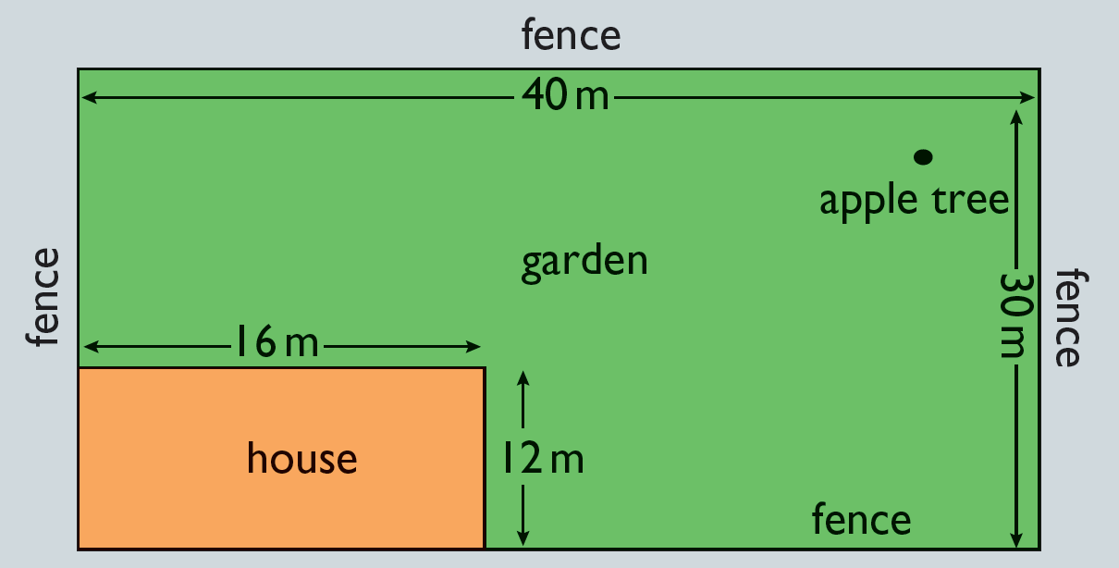 | \begin{tikzpicture}[scale=1,line width=1pt,line cap=round,line join=round,>=stealth,font=\footnotesize] \def\a{7} %Thay đổi tỉ lệ hình \def\r{0.25} \path (0,0) coordinate (A) (40/\a,0) coordinate (B) (40/\a,30/\a) coordinate (C) (0,30/\a) coordinate (D) (16/\a,0) coordinate (M) (16/\a,12/\a) coordinate (N) (0,12/\a) coordinate (P) ; \draw[fill=green!50] (A) rectangle (C); \draw[fill=orange!50] (A) rectangle (N); \draw ($(A)!0.5!(N)$) node{Nhà} ($(A)!0.5!(C)$) node[above]{\bf Khu vườn}; \fill ($(N)!0.7!(C)$) circle (0.1) node[below] {Cây táo}; \draw (A)--(D)node[midway,above,sloped]{Hàng rào} (D)--(C)node[midway,above,sloped]{Hàng rào} (C)--(B)node[midway,above,sloped]{Hàng rào} (M)--(B)node[midway,above,sloped]{Hàng rào} ; \draw[<->,thin] (D)++(-90:\r)--++(0:40/\a) node[midway,sloped,fill=green!50,inner sep=0pt,rectangle]{$40$ m} ; \draw[<->,thin] (C)++(180:\r)--++(-90:30/\a) node[midway,sloped,fill=green!50,inner sep=0pt,rectangle]{$30$ m} ; \draw[<->,thin] (P)++(90:\r)--++(0:16/\a) node[midway,sloped,fill=green!50,inner sep=0pt,rectangle]{$16$ m} ; \draw[<->,thin] (N)++(0:\r)--++(-90:12/\a) node[midway,sloped,fill=green!50,inner sep=0pt,rectangle]{$12$ m} ; | 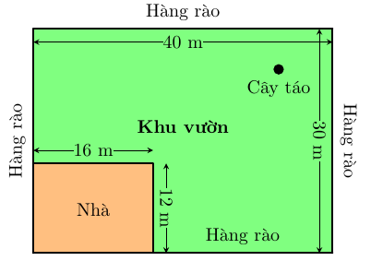 | UQ
18 | Trâm | Star_H2 | 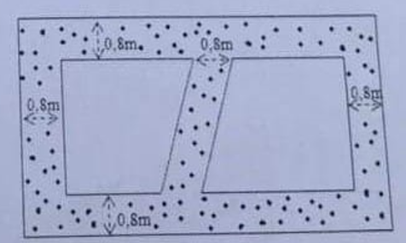 | \begin{tikzpicture}[scale=1,line width=1pt,line cap=round,line join=round,>=stealth,font=\footnotesize] \def\r{6} \def\c{3.5} \def\d{0.7} \path (0,0) coordinate (A) (\r,\c) coordinate (C) ; \draw[pattern=dots,pattern color=teal] (A) rectangle (C); \draw[fill=white] (A)++(\r/2-\d,\d)--++(180:\r/2-2*\d)--++(90:\c-2*\d)--++(0:\r/2-\d)--cycle; \draw[fill=white] (C)++(-\r/2+\d,-\d)--++(0:\r/2-2*\d)--++(-90:\c-2*\d)--++(180:\r/2-\d)--cycle; \draw[latex-latex] (A)++(0:2*\d)--++(90:\d) node[midway,shift={(0:0.6)},fill=white,inner sep=1pt,rectangle]{0,8 m}; \draw[latex-latex] (A)++(2*\d,\c-\d)--++(90:\d) node[midway,shift={(0:0.6)},fill=white,inner sep=1pt,rectangle]{0,8 m}; \draw[latex-latex] (A)++(0,2*\d)--++(0:\d) node[midway,shift={(90:0.6)},rotate=90,fill=white,inner sep=1pt,rectangle]{ 0,8 m}; \draw[latex-latex] (A)++(\r-\d,2*\d)--++(0:\d) node[midway,shift={(90:0.6)},rotate=90,fill=white,inner sep=1pt,rectangle]{ 0,8 m}; \draw[latex-latex] (\r/2,\c-\d)--++(0:\d) node[midway,shift={(90:0.3)},fill=white,inner sep=1pt,rectangle]{ 0,8 m}; \end{tikzpicture} | 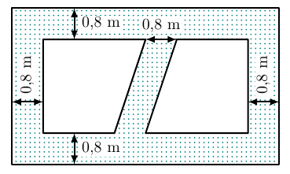 | UQ
19 | Trâm | Star_H3 (Ghi chú: mở rộng hình vuông 2m) |  | \begin{tikzpicture}[scale=1,line width=1pt,line cap=round,line join=round,>=stealth,font=\footnotesize] \def\a{4} \def\r{0.7} \draw[fill=teal!30] (0,0) rectangle (\a,\a); \draw[fill=white] (\r,\r) rectangle (\a-\r,\a-\r); \foreach \x/\y/\g/\v in {0.5*\a/0/90/right,0/0.5*\a/0/above,0.5*\a/\a/-90/right,\a/0.5*\a/180/above}{ \draw[latex-latex,thin] (\x,\y)--++(\g:\r)node[midway,\v]{2 m};} \end{tikzpicture} |  | UQ
20 | Thùy | De10_H1 |  | \begin{tikzpicture}[scale=1,line width=0.8pt,line join=round,>=stealth] \def\n{4.8} \def\d{4} \def\c{2} \def\g{-45} \def\go{70} \path (0,0) coordinate (A) (\c,0) coordinate (B) (-0.7*\c,\c) coordinate (C) (C)+(0:\n) coordinate (D) (A)+(\go:\d) coordinate (G) (B)+(\go:\d) coordinate (H) (C)+(\go:\d) coordinate (E) (D)+(\go:\d) coordinate (F) ; \fill[green!70!black] (C)++(180:0.5)--++(\go:\d)--(E)--(C)--cycle; \fill[green!70!black] (D)++(0:0.5)--++(\go:\d)--(F)--(D)--cycle; \fill[orange!30] (C)++(180:0.5)--++(-90:\c+0.5)--++(0:\n+1)--++(90:\c+0.5)--(D)--(B)--(A)--(C)--cycle; \fill[orange!50!black!40] (D)++(0:0.5)--++(-90:\c+0.5)--++(\go:\d)--++(90:\c+0.5)--cycle; \fill[lightgray!70] (E)--(C)--(A)--(B)--(D)--(F)--(H)--(G)--(E); \draw (C)--(A)--(B)--(D) (C)--(E)(F)--(D) (E)--(G)--(H)--(F) (G)--(A) (H)--(B); \end{tikzpicture} \begin{tikzpicture}[scale=1,line width=0.8pt,line join=round,>=stealth] \def\n{4.8} \def\d{4} \def\c{2} \def\g{-45} \def\go{70} \path (0,0) coordinate (A) (\c,0) coordinate (B) (-0.7*\c,\c) coordinate (C) (C)+(0:\n) coordinate (D) (A)+(\go:\d) coordinate (G) (B)+(\go:\d) coordinate (H) (C)+(\go:\d) coordinate (E) (D)+(\go:\d) coordinate (F) (intersection of A--G and C--D) coordinate (G') (intersection of B--H and C--D) coordinate (H') ; \draw (C)--(A)--(B)node[midway,below]{4 m}--(D)--(C)--(E)--(F)--(D) (E)--(G)--(H)--(F) (G)--(G') (H)--(H'); \draw[<->] (E)++(90:0.3)--++(0:\n)node[midway,above]{8 m}; \draw[<->] (D)++(0:0.5)--++(\go:\d)node[midway,right]{50 m}; \draw[<->] (G)++(0:0.7)--++(90:\c)node[midway,right]{4 m}; \draw[dashed] (A)--(G') (B)--(H'); \foreach \x/ \goc in {A/-150,B/-30,C/-160,D/-70,G/-160,H/120,E/160,F/45} \fill (\x) circle (1.5pt) |  |  | Toán 7
21 | Thùy | De10_H2 |  | \begin{tikzpicture}[scale=1,font=\footnotesize,line join=round,line cap=round,>=stealth] \def\r{2.7} \def\gocxp{90} \coordinate (A) at (90:\r); % \draw (0,\r+1)node{\textbf{Tên biểu đồ}}; % \draw (\r,\r+1)node{\textbf{}}; \foreach \val/\freq/\col/\pattern/\rate[count=\i from 0] in{ Đồ dùng học tập/50/gray/dots/50\%, Đồ chơi/20/lightgray/grid/20\%, Quần áo/30/gray/north east lines/30\%}{ \pgfmathsetmacro\gockt{-(\freq/100*360-\gocxp)} \pgfmathsetmacro\gocnode{\gocxp+\gockt} \draw[pattern = \pattern,pattern color=\col] (0,0)--(A) arc(\gocxp:\gockt:\r) coordinate(A)--cycle; \path ($(0,-0.3)+(\gocnode/2:1.3)$) node[fill=white,inner sep=0.5pt,rectangle]{\color{black} \rate}; \path ($(0,0.2)+(\gocnode/2:1.3)$) node[fill=white,inner sep=0.5pt,rectangle]{\color{black} \val}; \global\let\gocxp=\gockt } \end{tikzpicture} |  |  | Toán 7
22 | Thùy | De10_H3 |  | \begin{tikzpicture}[scale=1,line width=0.8pt,line join=round,>=stealth] \def\a{4.3} \def\b{3.5} \path (0,0) coordinate (B) (3,0) coordinate (N) (-0.7,2) coordinate (y)node[above right]{$y$} (\a,2) coordinate (y')node[above left]{$y'$} (-0.7,0) coordinate (z)node[above right]{$z$} (\a,0) coordinate (z')node[above left]{$z'$} ($(B)+(60:\b)$) coordinate (x)node[left]{$x$} ($(x)!1.3!(B)$) coordinate (x')node[right]{$x'$} ($(N)+(90:\b-0.4)$) coordinate (c') ($(c')!1.3!(N)$) coordinate (c)node[right]{$c$} (intersection of x--B and y--y') coordinate (A) (intersection of N--c' and y--y') coordinate (M) ; \draw (y')--(y) (z')--(z) (x')--(x) (c')--(c) ; \foreach \x/ \goc in {B/-60,A/120,M/45,N/-45} \fill (\x) circle (1.5pt) ($(\x)+(\goc:3.5mm)$) node {$\x$}; \draw pic[draw, angle radius=3mm,angle eccentricity=2.5,"$60^\circ$"]{angle=y'--A--x}; \draw pic[draw, angle radius=2mm]{right angle=y'--M--c}; \draw pic[draw, angle radius=2mm]{right angle=z'--N--M}; \end{tikzpicture}
23 | Thùy | De11_H1 |  | \begin{tikzpicture}[scale=1,font=\footnotesize,line join=round,line cap=round,>=stealth] \def\r{2.4} \def\gocxp{90} \coordinate (A) at (90:\r); % \draw (\r,\r+1)node{\textbf{Tên biểu đồ}}; \foreach \val/\freq/\col/\pattern/\rate[count=\i from 0] in{ Đi bộ/50/gray/dots/50\%, Xe đạp/25/gray/north east lines/25\%, Ô tô/5/gray/grid/5\%, Xe máy/20/gray/bricks/20\%}{ \pgfmathsetmacro\gockt{-(\freq*3.60-\gocxp)} \pgfmathsetmacro\gocnode{\gocxp+\gockt} \draw[pattern = \pattern,pattern color=\col] (0,0)--(A) arc(\gocxp:\gockt:\r) coordinate(A)--cycle; \filldraw[pattern = \pattern,pattern color=\col] (\r+0.5,0.6*\r-0.8*\i) --++(0:.5)--++(-90:.4) node[pos=.5,right,black]{\val}--++(180:.5)--cycle; \path ($(0,0)+(\gocnode/2:\r/1.5)$) node[fill=white,inner sep=0.5pt,rectangle]{\color{black} \rate}; \global\let\gocxp=\gockt } \end{tikzpicture} |  |  | Toán 7
24 | Thùy | D12_H1 |  | \begin{center} %%% Biểu đồ tròn \begin{tikzpicture}[scale=1,font=\small,line join=round,line cap=round,>=stealth] \def\r{2.4} \def\gocxp{90} \coordinate (A) at (90:\r); % \draw (\r,\r+1)node{\textbf{Tên biểu đồ}}; \foreach \val/\freq/\col/\pattern/\rate[count=\i from 0] in{ Gạo nếp/9/gray/grid/9\%, Gạo thơm/26.8/gray/north east lines/$26{,}8$\%, Gạo trắng thường/45.2/gray/dots/$45{,}2$\%, Gạo khác/19/gray/bricks/19\%}{ \pgfmathsetmacro\gockt{-(\freq*3.60-\gocxp)} \pgfmathsetmacro\gocnode{\gocxp+\gockt} \draw[pattern = \pattern,pattern color=\col] (0,0)--(A) arc(\gocxp:\gockt:\r) coordinate(A)--cycle; \filldraw[pattern = \pattern,pattern color=\col] (\r+0.5,0.6*\r-0.8*\i) --++(0:.5)--++(-90:.4) node[pos=.5,right,black]{\val}--++(180:.5)--cycle; \path ($(0,0)+(\gocnode/2:\r/1.5)$) node[fill=white,inner sep=0.5pt,rectangle]{\color{black} \rate}; \global\let\gocxp=\gockt } \end{tikzpicture} |  |  | Toán 7
25 | Thùy | De12_H2 |  | \begin{tikzpicture}[scale=1,line width=0.8pt,line join=round,>=stealth] \def\a{4} \path (0,0) coordinate (C) (2,0) coordinate (D) (D)+(150:\a) coordinate (A) (2,\a/2) coordinate (B) (4,0) coordinate (x)node[above]{$x$} ; \draw (C)--(x) (A)--(B)--(D)--(A) ; \foreach \x/ \goc in {A/90,B/90,C/-90,D/-90} \fill (\x) circle (1.5pt) ($(\x)+(\goc:3.5mm)$) node {$\x$}; \draw pic[draw, angle radius=2.5mm]{right angle=x--D--B}; \draw pic[draw, angle radius=2.5mm]{right angle=A--B--D}; \draw pic[draw, angle radius=5mm,angle eccentricity=2.1,"$30^\circ$"]{angle=A--D--C}; \end{tikzpicture} |  |  | Toán 7
26 | Thùy | De13_H1 |  | \begin{tikzpicture}[scale=1,line width=0.8pt,line join=round,>=stealth] \def\d{4.5} \def\r{3} \def\c{2.2} \def\g{-40} \def\go{15} \path (0,0) coordinate (Q) (\g:\r) coordinate (P) (\go:\d) coordinate (M) (M)+(P) coordinate (N) (M)+(0,\c) coordinate (A) (N)+(0,\c) coordinate (B) (P)+(0,\c) coordinate (C) (Q)+(0,\c) coordinate (D) ; \draw (D)--(A)--(B)--(C)--(D)--(Q)--(P)--(N)--(B) (C)--(P); \draw[<->] (P)++(\g:0.3)--++(\go:\d)node[midway,below,sloped]{ 55 cm}; \draw[<->] (Q)++(\go-180:0.3)--++(\g:\r)node[midway,below,sloped]{ 40 cm}; \draw[<->] (Q)++(180:0.3)--++(90:\c)node[midway,left]{ 32 cm}; \draw[dashed] (A)--(M)--(N) (M)--(Q); \end{tikzpicture} |  |  | Toán 7
27 | Thùy | De13_H2 |  | \begin{tikzpicture}[scale=1,line width=0.8pt,line join=round,>=stealth] \def\a{2} \path (0,0) coordinate (H) (35:\a) coordinate (A) (-55:\a) coordinate (B) (A)+(180:2.5) coordinate (m)node[above right]{$m$} (A)+(0:1.5) coordinate (m') (B)+(180:2) coordinate (n)node[above right]{$n$} (B)+(0:2) coordinate (n') ; \draw (m)--(m') (n)--(n') (A)--(H)--(B) (A) node[shift={(-160:0.7)}]{\small 1} (B) node[shift={(150:0.5)}]{\small 1} ; \foreach \x/ \goc in {A/90,B/-90,H/180} \fill (\x) circle (1.5pt) ($(\x)+(\goc:3.5mm)$) node {$\x$}; \draw pic[draw, angle radius=2.5mm]{right angle=A--H--B}; \end{tikzpicture} |  |  | Toán 7
28 | Thùy | De14_H1 |  | \begin{tikzpicture}[scale=1,font=\small,line join=round,line cap=round,>=stealth] \def\r{2.2} \def\gocxp{90} \coordinate (A) at (90:\r); % \draw (\r,\r+1)node{\textbf{Tên biểu đồ}}; \foreach \val/\freq/\col/\pattern/\rate[count=\i from 0] in{ Hoa Hồng/23/gray/grid/23\%, Hoa Huệ/37/gray/north east lines/37\%, Hoa Loa kèn/40/gray/dots/ }{ \pgfmathsetmacro\gockt{-(\freq*3.60-\gocxp)} \pgfmathsetmacro\gocnode{\gocxp+\gockt} \draw[pattern = \pattern,pattern color=\col] (0,0)--(A) arc(\gocxp:\gockt:\r) coordinate(A)--cycle; \filldraw[pattern = \pattern,pattern color=\col] (\r+0.5,0.6*\r-0.8*\i) --++(0:.5)--++(-90:.4) node[pos=.5,right,black]{\val}--++(180:.5)--cycle; \path ($(0,0)+(\gocnode/2:\r/1.5)$) node[fill=white,inner sep=0.5pt,rectangle]{\color{black} \rate}; \global\let\gocxp=\gockt } \end{tikzpicture} |  |  | Toán 7
29 | Thùy | De14_H2 |  | \begin{tikzpicture}[scale=1,line width=0.8pt,line join=round,>=stealth] \def\a{4.5} \def\b{3.2} \path (2,0) coordinate (D) (0,0) coordinate (B) (-0.7,2) coordinate (y) (\a,2) coordinate (y') (-0.7,0) coordinate (z) (\a,0) coordinate (z') ($(D)+(50:\b)$) coordinate (x) ($(x)!1.2!(D)$) coordinate (x') ($(B)+(90:\b-0.5)$) coordinate (c') ($(c')!1.2!(B)$) coordinate (c) (intersection of x--D and y--y') coordinate (C) (intersection of B--c' and y--y') coordinate (A) ; \draw (y')--(y) (z')--(z) (x')--(x) (c')--(c) (C) node[shift={(25:0.5)}]{\small 1} (D) node[shift={(25:0.5)}]{\small 1} (D) node[shift={(115:0.3)}]{\small 2} ; \foreach \x/ \goc in {D/-60,C/120,A/135,B/-135} \fill (\x) circle (1.5pt) ($(\x)+(\goc:3.5mm)$) node {$\x$}; \draw pic[draw, angle radius=2mm]{right angle=y'--A--c'}; \draw pic[draw, angle radius=2mm]{right angle=z'--B--A}; \end{tikzpicture} |  |  | Toán 7
30 | Thùy | De15_H1 |  | \begin{tikzpicture}[scale=1,line width=0.8pt,line join=round,>=stealth] \def\a{5} \def\b{3.2} \path (1,0) coordinate (E) (3.5,0) coordinate (N) (-1,2) coordinate (y) (\a,2) coordinate (y')node[above left]{$b$} (-1,0) coordinate (z) (\a,0) coordinate (z')node[above left]{$c$} ($(E)+(115:\b)$) coordinate (x) ($(x)!1.2!(E)$) coordinate (x') ($(N)+(90:\b-0.4)$) coordinate (c') ($(c')!1.2!(N)$) coordinate (c)node[right]{$a$} (intersection of x--E and y--y') coordinate (D) (intersection of N--c' and y--y') coordinate (M) ; \draw (y')--(y) (z')--(z) (x')--(x) (c')--(c) (D) node[shift={(50:0.3)}]{\small 1} (E) node[shift={(150:0.4)}]{\small 1} (E) node[shift={(50:0.3)}]{\small 2} (E) node[shift={(-40:0.4)}]{\small 3} (E) node[shift={(-90:0.5)}]{\small 4} ; \foreach \x/ \goc in {E/-140,D/-120} \fill (\x) circle (1.5pt) ($(\x)+(\goc:3.5mm)$) node {$\x$}; \draw pic[draw, angle radius=5mm,angle eccentricity=1.8,"$115^\circ$"]{angle=y'--D--x}; \draw pic[draw, angle radius=2.5mm]{right angle=c'--M--D}; \draw pic[draw, angle radius=2.5mm]{right angle=c'--N--E}; \end{tikzpicture} |  |  | Toán 7
31 | Thùy | De15_H2 |  |  | Này chèn hình đi |  | Toán 7
32 | Thùy | De16_H2 |  | \begin{tikzpicture}[scale=1,line width=0.8pt,line join=round,>=stealth] \def\a{8} \path (0,0) coordinate (B) (6.2,0) coordinate (C) (-1,2) coordinate (a)node[above right]{$a$} (-1+\a,2) coordinate (a') (-1,0) coordinate (b)node[above right]{$b$} (-1+\a,0) coordinate (b') ($(B)+(40:4.2)$) coordinate (c) ($(c)!1.3!(B)$) coordinate (c')node[right]{$c$} ($(C)+(120:3.1)$) coordinate (d) ($(d)!1.3!(C)$) coordinate (d')node[left]{$d$} (intersection of c--B and a--a') coordinate (A) (intersection of C--d and a--a') coordinate (D) ; \draw (a')--(a) (b')--(b) (c')--(c) (d')--(d) (A)node[shift={(20:5mm)},font=\small]{$1$} (B)node[shift={(20:5mm)},font=\small]{$1$} (D)node[shift={(-35:5mm)},font=\small]{$1$} (D)node[shift={(55:3mm)},font=\small]{$2$} ; \foreach \x/ \goc in {B/-70,A/110,D/-120,C/70} \fill (\x) circle (1.5pt) ($(\x)+(\goc:3.5mm)$) node {$\x$}; \draw pic[draw, angle radius=7mm,angle eccentricity=1.6,"$40^\circ$"]{angle=C--B--A}; \draw pic[draw, angle radius=7mm,angle eccentricity=1.6,"$40^\circ$"]{angle=D--A--c}; \draw pic[draw,double, angle radius=5mm,angle eccentricity=1.7,"$70^\circ$"]{angle=D--C--B}; \end{tikzpicture} |  |  | Toán 7
33 | Thùy | De17_H1 |  | \begin{tikzpicture}[scale=1,font=\small,line join=round,line cap=round,>=stealth] \def\r{2.2} \def\gocxp{90} \coordinate (A) at (90:\r); \draw (\r,\r+0.6)node{\textbf{Mức độ yêu thích môn Toán của học sinh lớp 7B}}; \foreach \val/\freq/\col/\pattern/\rate[count=\i from 0] in{ Rất thích/30/gray/grid/ , Thích/25/gray/fivepointed stars/25\%, Bình thường/25/gray/vertical lines/25\%, Không thích/20/gray/dots/20\%}{ \pgfmathsetmacro\gockt{-(\freq*3.60-\gocxp)} \pgfmathsetmacro\gocnode{\gocxp+\gockt} \draw[pattern = \pattern,pattern color=\col] (0,0)--(A) arc(\gocxp:\gockt:\r) coordinate(A)--cycle; \filldraw[pattern = \pattern,pattern color=\col] (\r+0.5,0.6*\r-0.8*\i) --++(0:.5)--++(-90:.4) node[pos=.5,right,black]{\val}--++(180:.5)--cycle; \path ($(0,0)+(\gocnode/2:\r/1.5)$) node[fill=white,inner sep=0.5pt,rectangle]{\color{black} \rate}; \global\let\gocxp=\gockt } \end{tikzpicture} |  |  | Toán 7
34 | Thùy | De17_H2 |  | \begin{tikzpicture}[scale=1,line width=0.8pt,line join=round,>=stealth] \def\a{4} \def\b{3.2} \path (3,0) coordinate (E) (0,0) coordinate (B) (-0.7,2) coordinate (y) (\a,2) coordinate (y')node[above ]{$m$} (-0.7,0) coordinate (z) (\a,0) coordinate (z')node[above ]{$n$} ($(E)+(120:\b)$) coordinate (x) ($(x)!1.2!(E)$) coordinate (x') ($(B)+(90:\b-0.5)$) coordinate (c') ($(c')!1.2!(B)$) coordinate (c) (intersection of x--E and y--y') coordinate (D) (intersection of B--c' and y--y') coordinate (A) ; \draw (y')--(y) (z')--(z) (x')--(x) (c')--(c) (D) node[shift={(-35:0.5)}]{\small 1} (D) node[shift={(145:0.5)}]{\small 2} (E) node[shift={(145:0.5)}]{\small 1} ; \foreach \x/ \goc in {E/-120,D/60,A/135,B/135} \fill (\x) circle (1.5pt) ($(\x)+(\goc:3.5mm)$) node {$\x$}; \draw pic[draw, angle radius=2mm,font=\small,angle eccentricity=1.6,"$1$"]{right angle=y'--A--c'}; \draw pic[draw, angle radius=2mm,font=\small,angle eccentricity=1.6,"$1$"]{right angle=z'--B--A}; \draw pic[draw, angle radius=3mm,font=\small]{angle=E--D--y'}; \end{tikzpicture} |  |  | Toán 7
35 | Thùy | De18_H1 | 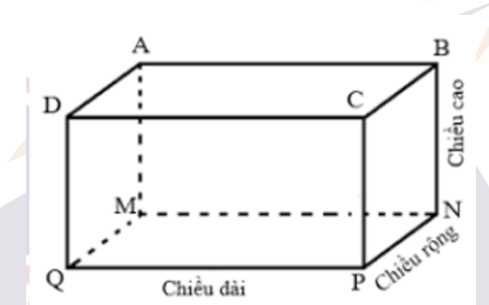 | \begin{tikzpicture}[scale=1,line width=0.8pt,line join=round,>=stealth] \def\d{6} \def\r{1.8} \def\c{3} \def\g{40} \path (0,0) coordinate (Q) (\d,0) coordinate (P) (\g:\r) coordinate (M) (M)+(P) coordinate (N) (M)+(0,\c) coordinate (A) (N)+(0,\c) coordinate (B) (P)+(0,\c) coordinate (C) (Q)+(0,\c) coordinate (D) ; \draw (D)--(A)--(B)--(C)--(D)-- (Q)--(P)node[midway,below]{\footnotesize Chiều dài} --(N)node[midway,below,sloped]{\scriptsize Chiều rông}node[shift={(-102:0.72)}]{\scriptsize .} --(B)node[midway,below,sloped]{\footnotesize Chiều cao} (C)--(P); \draw[dashed] (A)--(M)--(N) (M)--(Q); \foreach \x/ \goc in {A/90,B/90,C/90,D/150,M/150,N/0,P/-90,Q/-145} \fill (\x) circle (1.5pt) ($(\x)+(\goc:3.5mm)$) node {$\x$}; \end{tikzpicture} | 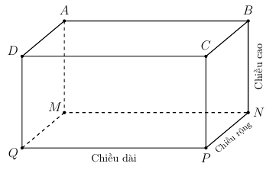 |  | Toán 7
36 | Thùy | De18_H2 |  | \begin{tikzpicture}[scale=1,line width=0.8pt,line join=round,>=stealth] \def\a{4.5} \def\b{3.2} \path (2,0) coordinate (D) (0,0) coordinate (B) (-1.3,2) coordinate (y)node[above right]{$m$} (\a,2) coordinate (y') (-1.3,0) coordinate (z)node[above right]{$n$} (\a,0) coordinate (z') ($(D)+(62:\b)$) coordinate (x)node[left]{$y$} ($(x)!1.3!(D)$) coordinate (x') ($(B)+(90:\b-0.5)$) coordinate (c')node[right]{$x$} ($(c')!1.3!(B)$) coordinate (c) (intersection of x--D and y--y') coordinate (C) (intersection of B--c' and y--y') coordinate (A) ; \draw (y')--(y) (z')--(z) (x')--(x) (c')--(c) (C) node[shift={(31:0.3)}]{\small 1} (C) node[shift={(-145:0.5)}]{\small 2} (D) node[shift={(-60:0.3)}]{\small 2} (D) node[shift={(-150:0.4)}]{\small 1} ; \foreach \x/ \goc in {D/120,C/120,A/135,B/135} \fill (\x) circle (1.5pt) ($(\x)+(\goc:3.5mm)$) node {$\x$}; \draw pic[draw, angle radius=2mm]{right angle=y'--A--c'}; \draw pic[draw, angle radius=2mm]{right angle=z'--B--A}; \draw pic[draw, angle radius=5mm,angle eccentricity=1.7,"$62^\circ$"]{angle=y'--C--x}; \end{tikzpicture} |  |  | Toán 7
37 | Thùy | Giai De10_H1 |  | \begin{tikzpicture}[scale=1,line width=0.8pt,line join=round,>=stealth] \def\a{4.5} \def\b{3.5} \path (0,0) coordinate (B) (3.5,0) coordinate (N) (-0.7,2) coordinate (y)node[above right]{$y$} (\a,2) coordinate (y')node[above]{$y'$} (-0.7,0) coordinate (z)node[above right]{$z$} (\a,0) coordinate (z')node[above]{$z'$} ($(B)+(60:\b)$) coordinate (x)node[left]{$x$} ($(x)!1.3!(B)$) coordinate (x')node[right]{$x'$} ($(N)+(90:\b-0.4)$) coordinate (c') ($(c')!1.3!(N)$) coordinate (c)node[right]{$c$} (intersection of x--B and y--y') coordinate (A) (intersection of N--c' and y--y') coordinate (M) ($(A)+(-60:\b)$) coordinate (t)node[left]{$t$} (intersection of A--t and z--z') coordinate (H) ; \draw (y')--(y) (z')--(z) (x')--(x) (c')--(c) (A)--(t) ; \foreach \x/ \goc in {B/-60,A/120,M/45,N/-45,H/60} \fill (\x) circle (1.5pt) ($(\x)+(\goc:3.5mm)$) node {$\x$}; \draw pic[draw, angle radius=3mm,angle eccentricity=2.5,"$60^\circ$"]{angle=y'--A--x}; \draw pic[draw, double,angle radius=4mm]{angle=t--A--M}; \draw pic[draw, double,angle radius=3mm]{angle=B--A--H}; \draw pic[draw, angle radius=2mm]{right angle=y'--M--c}; \draw pic[draw, angle radius=2mm]{right angle=z'--N--M}; \end{tikzpicture} |  |  | Toán 7
38 | Thùy | De1_H1 |  | %%% Thêm dòng này trong khai báo \usepackage{lilyglyphs} \begin{center} \def\icon{\Huge \quarterNote} \def\hicon{\Huge \eighthNote} \def\vetranh#1{\foreach \dem in{1,...,#1}{\icon \ }}{ \begin{tabular}{|c|p{6cm}<{}|}\hline \bf Loại nhạc cụ&\multicolumn{1}{c|}{\bf Số học sinh yêu thích}\\ \hline Organ &\vetranh{4}\ \hicon \\ \hline Ghi ta &\vetranh{5}\ \hicon \\ \hline Kèn &\vetranh{2}\ \hicon \\ \hline Trống &\vetranh{4} \\ \hline Sáo &\vetranh{2}\ \hicon \\ \hline \end{tabular}\\ (\icon \normalsize = 2 học sinh; \hicon \normalsize = 1 học sinh)} \end{center} |  |  | Toán 6
39 |  |  |  | \begin{center} \def\icon{\twemoji[scale=1]{car}} \def\vetranh#1{\foreach \dem in{1,...,#1}{\icon \ }}{ \begin{tabular}{|c|l|}\hline Thứ Hai &\vetranh{5}\\ \hline Thứ Ba &\vetranh{7} \\ \hline Thứ Tư &\vetranh{3} \\ \hline Thứ Năm &\vetranh{4} \\ \hline Thứ Sáu&\vetranh{6} \\ \hline \end{tabular}\\ (\icon = 3 xe ô tô)} \end{center} |  |  | Toán 6
40 |  |  |  | \begin{tikzpicture}[scale=1,line width=0.8pt,line join=round,>=stealth] \def\a{4.9} \def\b{7} \def\c{0.7} \def\d{0.3} \path (0,0) coordinate (A) (\b,0) coordinate (B) (\b,\a) coordinate (C) (0,\a) coordinate (D) ; \fill[green!30!gray] (A) rectangle (C); \fill[white] (0,0.5*\a-0.5*\c) rectangle (\b,0.5*\a+0.5*\c) (0.5*\b-0.5*\c,0) rectangle (0.5*\b+0.5*\c,\a); \draw (\c,\a/2) node{Lối đi} (\b/2,\a-\c) node[rotate=-90]{Lối đi} (\b/2,\c) node[rotate=-90]{Lối đi} ; \draw[latex-latex] (A)++(-90:\d)--++(0:\b) node[midway,below]{10 m}; \draw[latex-latex] (\b/2-\c/2,\a+\d)--++(0:\c) node[midway,above]{1m}; \draw[latex-latex] (A)++(180:\d)--++(90:\a/2-\c/2) node[midway,left]{3m}; \draw[latex-latex] (D)++(180:\d)--++(-90:\a/2-\c/2) node[midway,left]{3m}; \draw[latex-latex] (\b+\d,\a/2-\c/2)--++(90:\c) node[midway,right]{1m}; \end{tikzpicture}
41 |  |  |  | \begin{tikzpicture}[scale=1,line width=0.8pt,line join=round,>=stealth] \def\a{7} \path (0,0) coordinate (A) (0,35/\a) coordinate (B) ; \draw[fill=lightgray] (-20/\a,-0.1) -- (-20/\a,40/\a-0.1)node[midway,left]{40 cm} -- (20/\a,40/\a-0.1)node[midway,above]{40 cm}--(20/\a,-0.1)-- cycle node[midway,below]{10 cm}; \draw[fill=white,line width=2pt] (0,35/\a)--++(10/\a,-10/\a)--++(180:5/\a)--++(-90:25/\a)--++(180:10/\a)--++(90:25/\a)--++(180:5/\a)--cycle; \draw[dash pattern=on 7pt off 5pt,line width=2pt,line cap=round] (0,0)--(90:35/\a); \draw[thick] (0,28/\a)--++(0:22/\a)node[right]{35 cm} (-8/\a,25/\a)--++(-130:27/\a)node[below]{5 cm} (5/\a,20/\a)--++(-40:23/\a)node[right] {20 cm}; \end{tikzpicture}
42 |  |  |  | \begin{center} \def\icon{\tikz{ \fill[orange] (0,0) circle (0.4); \fill[white] (0,0) circle (0.35) (0,0) circle (0.2cm); \fill[orange!60!yellow] (0,0) circle (0.29); \foreach \angle in {0,45,...,315} { \draw[white, line width=1pt] (0,0) -- (\angle:0.29);} }} \def\hicon{\tikz{\clip(-0.4,-0.4)rectangle(0,0.4);\fill[orange] (0,0) circle (0.4); \fill[white] (0,0) circle (0.35) (0,0) circle (0.2cm); \fill[orange!60!yellow] (0,0) circle (0.29); \foreach \angle in {0,45,...,315} { \draw[white, line width=1pt] (0,0) -- (\angle:0.29);}}} \def\vetranh#1{\foreach \dem in{1,...,#1}{\icon \ }}{ \begin{tabular}{|c|p{7cm}<{}|}\hline \multicolumn{2}{|c|}{\bf Số lượng cam bán được trong 4 ngày }\\ \multicolumn{2}{|c|}{\bf cuối tuần vừa rồi của cửa hàng A}\\ \hline Thứ Năm &\vetranh{5}\\ \hline Thứ Sáu&\vetranh{3}\ \hicon \\ \hline Thứ Bảy&\vetranh{4} \\ \hline Chủ nhật &\vetranh{7} \\ \hline \end{tabular}\\ Biết rằng: \icon = 10 kg; \hicon = 5 kg} \end{center}
43 |  |  |  | \begin{tikzpicture}[scale=1,font=\small,line join=round,>=stealth] \def\hoanh{8} \def\tung{4} \def\sc{2.2} \node[above] at (\hoanh/2,\tung+1){\normalsize \bfseries Tình hình số học sinh giỏi của các tổ lớp 6A1}; \def\mau{mauChuDao}; \draw[->] (0,0)node[left]{0}--(\hoanh,0); \draw[->] (0,0)--(0,\tung+1); \foreach \y in {1,2,...,9}{\draw (-0.1,\y/\sc)node[left]{$\y$}--++(0:0.2); \draw[dashed,gray] (0,\y/\sc)--(\hoanh-0.2,\y/\sc);} \foreach \x/\n/\p in{1/3/5,3/2/4,5/6/6,7/1/8}{ \draw[line width=5mm,\mau] (\x-0.3,0)--++(0,\n/\sc)node[black,shift={(90:0.2)},font=\footnotesize]{\n}; \draw[line width=5mm,cyan] (\x+0.3,0)--++(0,\p/\sc)node[black,shift={(90:0.2)},font=\footnotesize]{\p};} \foreach \x/\p in {1/Tổ 1,3/Tổ 2,5/Tổ 3,7/Tổ 4}{\node at (\x,-0.4){\footnotesize \p};} \fill[\mau] (1.5,\tung+0.8) rectangle (1.8,\tung +0.5) node [black,shift={(10:0.9)}]{Học kỳ 1}; \fill[cyan] (4.5,\tung+0.8) rectangle (4.8,\tung +0.5) node [black,shift={(10:0.9)}]{Học kỳ 2}; \end{tikzpicture}
44 |  |  |  | \begin{tikzpicture}[scale=1,line width=0.8pt,line join=round,>=stealth] \def\a{2} \path (0,0) coordinate (F) (0,6/\a) coordinate (A) (7/\a,6/\a) coordinate (B) (7/\a,4/\a) coordinate (C) (10/\a,4/\a) coordinate (D) (10/\a,0) coordinate (E) ; \draw (A)--(B)node[midway,above]{7 m} --(C)node[midway,left]{2 m} --(D)node[midway,below]{3 m} --(E)node[midway,right]{4 m} --(F)node[midway,below]{10 m} --(A)node[midway,left]{6 m} ; \foreach \x/ \goc in {A/135,B/45,C/45,D/45,E/-45,F/-135} \fill (\x) circle (1.5pt) ($(\x)+(\goc:3.5mm)$) node {$\x$}; \end{tikzpicture}
45 |  |  |  | \begin{center} \def\icon{\faTree} \def\hicon{\tikz{\clip(-0.18,-0.17)rectangle(0,0.4);\path(0,0)node{\faTree}}} \def\vetranh#1{\foreach \dem in{1,...,#1}{\icon \ }}{ \begin{tabular}{|c|p{6cm}<{}|}\hline \multicolumn{2}{|c|}{\bf Số cây thông trang trí trong tháng 12}\\ \hline \bf Tuần &\multicolumn{1}{c|}{\bf Số cây thông}\\ \hline Tuần 1 &\vetranh{3}\hicon\\ \hline Tuần 2 &\vetranh{5} \\ \hline Tuần 3 &\vetranh{6}\hicon \\ \hline Tuần 4 &\vetranh{8} \\ \hline \end{tabular}\\ (\icon = 10 xe cây thông; \hicon = 5 cây thông)} \end{center}
46 |  | De1_H3 |  | \begin{tikzpicture}[scale=1,line width=0.8pt,line join=round,>=stealth] \def\a{4} \def\b{3} \path (0,0) coordinate (D) (0,\b) coordinate (A) (\a,\b) coordinate (B) (\a,0) coordinate (C) ($(A)!0.5!(B)$) coordinate (E) ($(B)!0.5!(C)$) coordinate (F) ($(C)!0.5!(D)$) coordinate (G) ($(A)!0.5!(D)$) coordinate (H) ; \draw (A)--(B)--(C)--(D)--(A) (E)--(F)--(G)--(H)--(E) ; \draw[<->] (A)++(90:0.6)--++(0:\a)node[midway,above]{4 m}; \draw[<->] (B)++(0:0.6)--++(-90:\b)node[midway,right]{3 m}; \foreach \x/ \goc in {A/135,B/45,C/-45,D/-135,E/90,F/0,G/-90,H/180} \fill (\x) circle (1.5pt) ($(\x)+(\goc:3.5mm)$) node {$\x$}; \end{tikzpicture}
 |  | De2_H1 |  | \begin{tikzpicture}[scale=1,line width=0.8pt,line join=round,>=stealth] \def\a{8} \fill[pattern=north east lines,pattern color=orange] (0,0) rectangle (-25/\a,-15/\a); \fill[pattern=dots,pattern color=orange] (0,0) rectangle (15/\a,-15/\a); \fill[pattern=crosshatch,pattern color=orange] (0,0) -- (15/\a,0)--(15/\a,20/\a) --cycle; \draw (0,0)--++(180:25/\a)node[midway,above]{25 m} --++(-90:15/\a)node[midway,left]{15 m} --++(0:25/\a)--++(90:15/\a)--++(0:15/\a)node[midway,below]{15 m} --++(-90:15/\a)--++(180:15/\a)--++(0:15/\a)--++(90:15/\a)--++(90:20/\a)node[midway,right]{20 m} --cycle ; \end{tikzpicture}
 | Trâm | S1_B6 |  | \begin{tikzpicture}[scale=1,line width=0.8pt,line join=round,>=stealth] \def\a{5} \def\b{2} \def\g{70} \path (0,\b) coordinate (A) (0,0) coordinate (C) (\a,\b) coordinate (B) (\a,0) coordinate (D) ($(A)!0.7!(B)$) coordinate (M) ($(M)!2.5!-2*\g:(B)$) coordinate (N') (intersection of M--N' and C--D) coordinate (N) ($(N)!1.3!(M)$) coordinate (M') ; \draw (A)--(B) (C)--(D) (M')--(N'); \foreach \x/ \goc in {A/90,B/90,C/-90,D/-90,M/130,N/-50} \fill (\x) circle (1.5pt) ($(\x)+(\goc:3.5mm)$) node {$\x$}; \end{tikzpicture}
 | Trâm | S1_B6_ans |  | \begin{tikzpicture}[scale=1,line width=0.8pt,line join=round,>=stealth] \def\a{5} \def\b{2} \def\g{70} \path (0,\b) coordinate (A) (0,0) coordinate (C) (\a,\b) coordinate (B) (\a,0) coordinate (D) ($(A)!0.72!(B)$) coordinate (M) ($(M)!2!-\g:(B)$) coordinate (y)node[left]{$y$} ($(M)!1.5!-\g:(y)$) coordinate (N') (intersection of M--N' and C--D) coordinate (N) ($(N)!1.1!\g:(M)$) coordinate (x)node[right]{$x$} ($(N)!1.3!(M)$) coordinate (M') ; \draw (A)--(B) (C)--(D) (M')--(N') (N)--(x) (M)--(y); \foreach \x/ \goc in {A/90,B/90,C/-90,D/-90,M/130,N/-50} \fill (\x) circle (1.5pt) ($(\x)+(\goc:3.5mm)$) node {$\x$}; \draw pic[draw,double, angle radius=3.5mm]{angle=N--M--y}; \draw pic[draw,double, angle radius=4mm]{angle=y--M--B}; \draw pic[draw, angle radius=3mm]{angle=M--N--x}; \draw pic[draw, angle radius=3.5mm]{angle=x--N--C}; \end{tikzpicture}
 | Trâm | D2_B3 |  | \begin{tikzpicture}[scale=1,line width=0.8pt,line join=round,>=stealth] \def\a{3} \def\b{0.8} \def\c{0.9} \def\g{35} \draw[fill=lightgray!40] (0,0) rectangle (\a,3*\b); \draw[fill=lightgray!10] (\a,3*\b)--(0,3*\b)--++(\g:2*\c)--++(0:\a)--cycle; \draw[fill=lightgray!70] (\a,0)--(\a,3*\b)--++(\g:2*\c)--++(-90:3*\b)--cycle; \draw (0,0) rectangle (\a,3*\b) (0,\b) rectangle (\a,2*\b) (0,3*\b)--++(\g:2*\c)--++(0:\a)--++(-90:3*\b)--(\a,0) (0,3*\b)++(\g:\c)--++(0:\a)--++(-90:3*\b) (\a,3*\b)--++(\g:2*\c) (\a,2*\b)--++(\g:2*\c) (\a,\b)--++(\g:2*\c) ; \end{tikzpicture}
 | Trâm | S2_B5 |  | \begin{tikzpicture}[scale=1,line width=0.8pt,line join=round,>=stealth] \def\a{4} \def\b{2.5} \def\gt{35} \def\gd{45} \path (0,\b) coordinate (A) (\a,\b) coordinate (x)node[above]{$x$} (0,0) coordinate (B)node[shift={(\gd/2:0.5)}]{\footnotesize $?$} (\a,0) coordinate (y)node[below]{$y$} ($(A)!1!-\gt:(x)$) coordinate (A') ($(B)!1!\gd:(y)$) coordinate (B') (intersection of A--A' and B--B') coordinate (O) ; \draw (x)--(A)--(O)--(B)--(y); \foreach \x/ \goc in {A/90,B/-90,O/0} \fill (\x) circle (1.5pt) ($(\x)+(\goc:3.5mm)$) node {$\x$}; \draw pic[draw,double, angle radius=3.5mm,angle eccentricity=2,"$80^\circ$",font=\footnotesize]{angle=A--O--B}; \draw pic[draw, angle radius=5mm,angle eccentricity=1.8,"$35^\circ$",font=\footnotesize]{angle=O--A--x}; \end{tikzpicture}
 | Trâm | S2_B5_ans |  | \begin{tikzpicture}[scale=1,line width=0.8pt,line join=round,>=stealth] \def\a{4} \def\b{2.5} \def\gt{35} \def\gd{45} \path (0,\b) coordinate (A) (\a,\b) coordinate (x)node[above]{$x$} (0,0) coordinate (B)node[shift={(\gd/2:0.6)}]{\footnotesize $?$} (\a,0) coordinate (y)node[below]{$y$} ($(A)!1!-\gt:(x)$) coordinate (A') ($(B)!1!\gd:(y)$) coordinate (B') (intersection of A--A' and B--B') coordinate (O)node[shift={(-180+\gd/2:0.8)}]{\footnotesize $80^\circ$} (O)+(180:\b) coordinate (m)node[above]{$m$} ; \draw (x)--(A)--(O)--(B)--(y) (O)--(m); \foreach \x/ \goc in {A/90,B/-90,O/0} \fill (\x) circle (1.5pt) ($(\x)+(\goc:3.5mm)$) node {$\x$}; \draw pic[draw,double, angle radius=3.5mm]{angle=A--O--B}; \draw pic[draw, angle radius=5mm,angle eccentricity=1.8,"$35^\circ$",font=\footnotesize]{angle=O--A--x}; \end{tikzpicture}
 | Trâm | S3_B5 |  | \begin{tikzpicture}[scale=1,line width=0.8pt,line join=round,>=stealth] \def\a{4} \def\b{2.5} \def\gt{50} \def\gd{50} \def\d{1} \path (0,\b) coordinate (A) (\a,\b) coordinate (M) (0,0) coordinate (B) (\a,0) coordinate (C) (A)++(90:\d) coordinate (c)node[left]{$c$} (C)++(-\gd:\d) coordinate (d) (C)++(0:\d) coordinate (b') ($(M)!1!\gt:(A)$) coordinate (M') ($(C)!1!-\gd:(B)$) coordinate (C') (intersection of M--M' and C--C') coordinate (O) (O)+(0:\b) coordinate (t)%node[above]{$t$} (intersection of M--A and C--O) coordinate (D) ; \draw (A)++(180:\d)node[above]{$a$}--(M)--++(0:\d) (B)++(180:\d)node[above]{$b$}--(C)--++(0:\d) (c)--(B)--++(-90:\d) (D)++(180-\gd:\d)--(C)--(d) (O)--(M) \foreach \dinh/\g/\note/\shift in { C/-25/$50^\circ$/0.9, C/155/2/0.5, C/-28/1/0.4, D/155/2/0.5, D/-115/1/0.3, O/0/$100^\circ$/0.8, M/-65/1/0.3} {(\dinh) node[shift={(\g:\shift)}]{\footnotesize \note}} ; \foreach \x/ \goc in {A/-135,B/-135,O/-160,D/60,M/90,C/-110} \fill (\x) circle (1.5pt) ($(\x)+(\goc:3.5mm)$) node {$\x$}; \draw pic[draw, angle radius=3mm]{right angle=M--A--c}; \draw pic[draw, angle radius=3mm]{right angle=C--B--c}; \draw pic[draw, angle radius=4mm]{angle=C--O--M}; \draw pic[draw,double,angle radius=6mm]{angle=d--C--b'}; \end{tikzpicture}
 | Trâm | S3_B5_ans |  | \begin{tikzpicture}[scale=1,line width=0.8pt,line join=round,>=stealth] \def\a{4} \def\b{2.5} \def\gt{50} \def\gd{50} \def\d{1} \path (0,\b) coordinate (A) (\a,\b) coordinate (M) (0,0) coordinate (B) (\a,0) coordinate (C) (A)++(90:\d) coordinate (c)node[left]{$c$} (C)++(-\gd:\d) coordinate (d) (C)++(0:\d) coordinate (b') ($(M)!1!\gt:(A)$) coordinate (M') ($(C)!1!-\gd:(B)$) coordinate (C') (intersection of M--M' and C--C') coordinate (O) (O)+(0:\b) coordinate (t) node[above]{$t$} (intersection of M--A and C--O) coordinate (D) ; \draw (A)++(180:\d)node[above]{$a$}--(M)--++(0:\d) (B)++(180:\d)node[above]{$b$}--(C)--++(0:\d) (c)--(B)--++(-90:\d) (D)++(180-\gd:\d)--(C)--(d) (O)--(M) (O)--(t) \foreach \dinh/\g/\note/\shift in { C/-25/$50^\circ$/0.9, C/155/2/0.5, C/-28/1/0.4, D/155/2/0.5, D/-115/1/0.3, O/25/1/0.4, O/-25/2/0.4, O/-15/$100^\circ$/1, M/-65/1/0.3} {(\dinh) node[shift={(\g:\shift)}]{\footnotesize \note}} ; \foreach \x/ \goc in {A/-135,B/-135,O/-160,D/60,M/90,C/-110} \fill (\x) circle (1.5pt) ($(\x)+(\goc:3.5mm)$) node {$\x$}; \draw pic[draw, angle radius=3mm]{right angle=M--A--c}; \draw pic[draw, angle radius=3mm]{right angle=C--B--c}; \draw pic[draw, angle radius=6mm]{angle=C--O--M}; \draw pic[draw,double,angle radius=6mm]{angle=d--C--b'}; \end{tikzpicture}
 | Trâm | S4_B6 |  | \begin{tikzpicture}[scale=1,line width=0.8pt,line join=round,>=stealth] \def\a{5} \def\b{2} \def\g{65} \path (0,\b) coordinate (a) node[above]{$a$} (0,0) coordinate (b) node[above]{$b$} (\a,\b) coordinate (a') (\a,0) coordinate (b') ($(a)!0.7!(a')$) coordinate (A) ($(A)!2.5!-2*\g:(a')$) coordinate (B') (intersection of A--B' and b--b') coordinate (B) ($(B)!1.5!(A)$) coordinate (c) node[left]{$c$} ; \draw (a)--(a') (b)--(b') (c)--(B'); \foreach \x/ \goc in {A/120,B/-60} \fill (\x) circle (1.5pt) ($(\x)+(\goc:3.5mm)$) node {$\x$}; \draw \foreach \dinh/\g/\note/\shift in { A/-65/1/0.3,A/-155/2/0.5, B/25/1/0.5,B/120/2/0.3} {(\dinh) node[shift={(\g:\shift)}]{\footnotesize \note}} ; \end{tikzpicture}
 | Trâm | S4_B6_ans |  | \begin{tikzpicture}[scale=1,line width=0.8pt,line join=round,>=stealth] \def\a{5} \def\b{2} \def\g{65} \path (0,\b) coordinate (a) node[above]{$a$} (0,0) coordinate (b) node[above]{$b$} (\a,\b) coordinate (a') (\a,0) coordinate (b') ($(a)!0.7!(a')$) coordinate (A) ($(A)!2.5!-\g:(a')$) coordinate (C') ($(A)!2.5!-2*\g:(a')$) coordinate (B') (intersection of A--C' and b--b') coordinate (C) (intersection of A--B' and b--b') coordinate (B) ($(B)!1.5!(A)$) coordinate (c) node[left]{$c$} ; \draw (a)--(a') (b)--(b') (c)--(B') (A)--(C); \foreach \x/ \goc in {A/120,B/-60,C/-90} \fill (\x) circle (1.5pt) ($(\x)+(\goc:3.5mm)$) node {$\x$}; \draw \foreach \dinh/\g/\note/\shift in { A/-95/1/0.3,A/-155/2/0.5, B/25/1/0.5,B/120/2/0.3} {(\dinh) node[shift={(\g:\shift)}]{\footnotesize \note}} ; \draw pic[draw, angle radius=5mm]{angle=B--A--C}; \draw pic[draw, angle radius=4.5mm]{angle=C--A--a'}; \end{tikzpicture}
 | Trâm | S5_B5 |  | \begin{tikzpicture}[scale=1,line width=0.8pt,line join=round,>=stealth] \def\a{4} \def\b{2.5} \def\d{1} \path (0,\b) coordinate (D) (0,0) coordinate (C) (\a,0) coordinate (B) node[shift={(150:0.4)}]{\footnotesize 1} (B)++(0:\d) coordinate (b) node[above]{$b$} (b)++(90:\b) coordinate (a) node[above]{$a$} (B)++(120:1.5*\b) coordinate (A') (intersection of B--A' and D--a) coordinate (A) node[shift={(-30:0.4)}]{\footnotesize 1} ($(A)!1.3!(B)$) coordinate (B') ; \draw (D)++(180:\d)--(a) (C)++(180:\d)--(b) (A')--(B') (D)--++(90:\d)--++(-90:\b+2*\d) ; \foreach \x/ \goc in {A/60,B/-120,C/-135,D/45} \fill (\x) circle (1.5pt) ($(\x)+(\goc:3.5mm)$) node {$\x$}; \draw pic[draw, angle radius=3mm]{right angle=B--C--D}; \draw pic[draw, angle radius=6mm,angle eccentricity=1.6,"$60^\circ$"]{angle=B--A--a}; \draw pic[draw, angle radius=6mm,angle eccentricity=1.6,"$60^\circ$"]{angle=A--B--C}; \end{tikzpicture}
 | Trâm | S5_B5_ans |  | \begin{tikzpicture}[scale=1,line width=0.8pt,line join=round,>=stealth] \def\a{4} \def\b{2.5} \def\d{1} \path (0,\b) coordinate (D) (0,0) coordinate (C) (\a,0) coordinate (B) node[shift={(150:0.4)}]{\footnotesize 1} (B)++(0:\d) coordinate (b) node[above]{$b$} (b)++(90:\b) coordinate (a) node[above]{$a$} (B)++(120:1.5*\b) coordinate (A') (intersection of B--A' and D--a) coordinate (A) node[shift={(-30:0.4)}]{\footnotesize 1} ($(A)!1.3!(B)$) coordinate (B') (D)++(-45:2*\b) coordinate (D') (C)++(75:\b) coordinate (C') (intersection of C--C' and D--D') coordinate (G) (intersection of C--B and D--D') coordinate (E) ($(D)!1.3!(E)$) coordinate (e) ; \draw (D)++(180:\d)--(a) (C)++(180:\d)--(b) (A')--(B') (D)--(e) (C)--(G)--(B) (D)--++(90:\d)--++(-90:\b+2*\d) ; \foreach \x/ \goc in {A/60,B/-120,C/-135,D/45,G/40,E/-140} \fill (\x) circle (1.5pt) ($(\x)+(\goc:3.5mm)$) node {$\x$}; \draw pic[draw, angle radius=3mm]{right angle=B--C--D}; \draw pic[draw, angle radius=6mm,angle eccentricity=1.6,"$60^\circ$"]{angle=B--A--a}; \draw pic[draw, angle radius=6mm]{angle=A--B--G}; \draw pic[draw, angle radius=6mm,angle eccentricity=1.6,"$60^\circ$"]{angle=G--B--C}; \draw pic[draw, angle radius=6mm,angle eccentricity=1.6,"$75^\circ$"]{angle=B--C--G}; \draw pic[draw, double,angle radius=3mm]{angle=C--D--E}; \draw pic[draw, double,angle radius=3.5mm]{angle=E--D--A}; \end{tikzpicture}
 | Trâm | D1_B5 |  | \begin{tikzpicture}[scale=1,line width=0.8pt,line join=round,>=stealth] \def\a{4.5} \def\b{2.5} \def\gt{50} \def\gd{30} \path (0,\b) coordinate (A) (\a,\b) coordinate (B) (0,0) coordinate (C) (\a,0) coordinate (D) (B)+(\gt:\b) coordinate (B') (D)+(-\gd:\b) coordinate (D') (intersection of D--D' and B--B') coordinate (M) ; \draw (A)--(B)--(M)--(D)--(C); \foreach \x/ \goc in {A/90,B/90,C/-90,D/-90,M/180} \fill (\x) circle (1.5pt) ($(\x)+(\goc:3.5mm)$) node {$\x$}; \draw pic[draw,double, angle radius=3.5mm]{angle=A--B--M}; \draw pic[draw, angle radius=5mm]{angle=M--D--C}; \end{tikzpicture}
 | Trâm | D1_B5_ans |  | \begin{tikzpicture}[scale=1,line width=0.8pt,line join=round,>=stealth] \def\a{4.5} \def\b{2.5} \def\gt{50} \def\gd{30} \path (0,\b) coordinate (A) (\a,\b) coordinate (B) (0,0) coordinate (C) (\a,0) coordinate (D) (B)+(\gt:\b) coordinate (B') (D)+(-\gd:\b) coordinate (D') (intersection of D--D' and B--B') coordinate (M) (M)+(0:\b) coordinate (t)node[above]{$t$} ; \draw (A)--(B)--(M)--(D)--(C) (M)--(t) (M)node[shift={(\gt/2:0.5)}]{\footnotesize 1} (M)node[shift={(-\gd/2:0.7)}]{\footnotesize 2}; \foreach \x/ \goc in {A/90,B/90,C/-90,D/-90,M/180} \fill (\x) circle (1.5pt) ($(\x)+(\goc:3.5mm)$) node {$\x$}; \draw pic[draw,double, angle radius=3.5mm]{angle=A--B--M}; \draw pic[draw, angle radius=5mm]{angle=M--D--C}; \end{tikzpicture}
 | Trâm | D2_B5 |  | \begin{tikzpicture}[scale=1,line width=0.8pt,line join=round,>=stealth] \def\a{4.5} \def\b{2.5} \path (3.2,0) coordinate (D) (0,0) coordinate (B) (-0.7,2) coordinate (a) (\a,2) coordinate (a')node[above ]{$a$} (-0.7,0) coordinate (b) (\a,0) coordinate (b')node[above ]{$b$} ($(D)+(110:3)$) coordinate (x) ($(x)!1.2!(D)$) coordinate (x') ($(B)+(90:\b+0.5)$) coordinate (c') ($(c')!1.2!(B)$) coordinate (c) (intersection of x--D and a--a') coordinate (C) (intersection of B--c' and a--a') coordinate (A) ; \draw (a')--(a) (b')--(b) (x')--(x) (c')--(c) (C) node[shift={(-130:0.3)}]{\footnotesize 2} (D) node[shift={(-130:0.3)}]{\footnotesize 2} ; \foreach \x/ \goc in {A/135,B/135,C/50,D/50} \fill (\x) circle (1.5pt) ($(\x)+(\goc:3.5mm)$) node {$\x$}; \draw pic[draw, angle radius=2mm]{right angle=a'--A--c'}; \draw pic[draw, angle radius=2mm]{right angle=b'--B--c'}; \draw pic[draw, angle radius=3mm,font=\small,angle eccentricity=2,"$80^\circ$"]{angle=D--C--a'}; \end{tikzpicture}
 | Trâm | D2_B5_ans |  | \begin{tikzpicture}[scale=1,line width=0.8pt,line join=round,>=stealth] \def\a{4.5} \def\b{2.5} \path (3.2,0) coordinate (D) (0,0) coordinate (B) (-0.7,2) coordinate (a) (\a,2) coordinate (a')node[above ]{$a$} (-0.7,0) coordinate (b) (\a,0) coordinate (b')node[above ]{$b$} ($(D)+(110:3)$) coordinate (x) ($(x)!1.2!(D)$) coordinate (x') ($(B)+(90:\b+0.5)$) coordinate (c') ($(c')!1.2!(B)$) coordinate (c) (intersection of x--D and a--a') coordinate (C) (intersection of B--c' and a--a') coordinate (A) ($(D)+(50:3.5)$) coordinate (z)node[right]{$x$} ; \draw (a')--(a) (b')--(b) (x')--(x) (c')--(c) (D)--(z) (C) node[shift={(-130:0.3)}]{\footnotesize 2} (D) node[shift={(-130:0.3)}]{\footnotesize 2} ; \foreach \x/ \goc in {A/135,B/135,C/50,D/143} \fill (\x) circle (1.5pt) ($(\x)+(\goc:3.5mm)$) node {$\x$}; \draw pic[draw, angle radius=2mm]{right angle=a'--A--c'}; \draw pic[draw, angle radius=2mm]{right angle=b'--B--c'}; \draw pic[draw, angle radius=3mm,font=\small,angle eccentricity=2,"$80^\circ$"]{angle=D--C--a'}; \draw pic[draw,double, angle radius=3mm]{angle=b'--D--z}; \draw pic[draw,double, angle radius=3.5mm]{angle=z--D--C}; \end{tikzpicture}
 | Trâm | D3_B7 |  | \begin{tikzpicture}[scale=1,line width=0.8pt,line join=round,>=stealth] \def\a{5.5} \def\b{2.5} \def\gt{50} \def\gd{60} \path (\a-2,0) coordinate (E) (\a-2,\b) coordinate (B) (0,0) coordinate (D) (-0.7,\b) coordinate (a) (\a,\b) coordinate (a')node[above ]{$a$} (-0.7,0) coordinate (b) (\a,0) coordinate (b')node[above ]{$b$} (E)+(\gd:1) coordinate (E') ($(B)+(-\gt:1)$) coordinate (B') (intersection of E--E' and B--B') coordinate (C) (D)+(70:1) coordinate (D') (intersection of D--D' and a--a') coordinate (A) ($(A)!1.2!(D)$) coordinate (c') ($(D)!1.2!(A)$) coordinate (c) ; \draw (a')--(a) (b')--(b) (c')--(c) (B)--(C)--(E) (B)++(-\gt/2:0.3)--++(-\gt/2:0.2) ; \foreach \x/ \goc in {A/125,B/90,C/0,D/-55,E/-90} \fill (\x) circle (1.5pt) ($(\x)+(\goc:3.5mm)$) node {$\x$}; \draw pic[draw, angle radius=4mm,font=\footnotesize,angle eccentricity=2,"$110^\circ$"]{angle=D--A--B}; \draw pic[draw,,double, angle radius=4mm,font=\footnotesize,angle eccentricity=2,"$70^\circ$"]{angle=E--D--A}; \draw pic[draw, angle radius=4mm,font=\footnotesize,angle eccentricity=2,"$50^\circ$"]{angle=C--B--a'}; \draw pic[draw,double, angle radius=4mm,font=\footnotesize,angle eccentricity=2,"$60^\circ$"]{angle=b'--E--C}; \end{tikzpicture}
 | Trâm | D3_B7_ans |  | \begin{tikzpicture}[scale=1,line width=0.8pt,line join=round,>=stealth] \def\a{5.5} \def\b{2.5} \def\gt{50} \def\gd{60} \path (\a-2,0) coordinate (E) (\a-2,\b) coordinate (B) (0,0) coordinate (D) (-0.7,\b) coordinate (a) (\a,\b) coordinate (a')node[above ]{$a$} (-0.7,0) coordinate (b) (\a,0) coordinate (b')node[above ]{$b$} (E)+(\gd:1) coordinate (E') ($(B)+(-\gt:1)$) coordinate (B') (intersection of E--E' and B--B') coordinate (C) (D)+(70:1) coordinate (D') (intersection of D--D' and a--a') coordinate (A) ($(A)!1.2!(D)$) coordinate (c') ($(D)!1.2!(A)$) coordinate (c) ($(C)+(180:\a-0.5)$) coordinate (x)node[above ]{$x$} ($(B)+(-90-\gt/2:1.5*\b)$) coordinate (y) (intersection of B--y and b--b') coordinate (P) ; \draw (a')--(a) (b')--(b) (c')--(c) (B)--(C)--(E) (C)--(x) (B)--(y) (B)++(-\gt/2:0.3)--++(-\gt/2:0.2) (B)++(-78:0.35)--++(-78:0.2) (B)++(-143:0.3)--++(-143:0.2) (B)++(-87:0.35)--++(-87:0.2) (B)++(-152:0.3)--++(-152:0.2) ; \foreach \x/ \goc in {A/125,B/90,C/0,D/-55,E/-90,P/-55} \fill (\x) circle (1.5pt) ($(\x)+(\goc:3.5mm)$) node {$\x$}; \draw pic[draw, angle radius=4mm,font=\footnotesize,angle eccentricity=2,"$110^\circ$"]{angle=D--A--B}; \draw pic[draw,,double, angle radius=4mm,font=\footnotesize,angle eccentricity=2,"$70^\circ$"]{angle=E--D--A}; \draw pic[draw, angle radius=4mm,font=\footnotesize,angle eccentricity=2,"$50^\circ$"]{angle=C--B--a'}; \draw pic[draw,double, angle radius=4mm,font=\footnotesize,angle ecc
 | Trâm | D4_B7 | 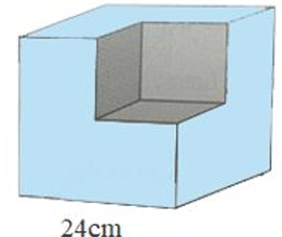 | \begin{tikzpicture}[scale=1,line width=0.8pt,line join=round,>=stealth] \def\a{2.4} \def\b{1.8} \def\c{2.5} \def\gd{-3} \def\gx{20} \path (0,0) coordinate (A) (\gd:\a) coordinate (B) (\gx:\b) coordinate (D) (B)+(D) coordinate (C) (A)+(90:\c) coordinate (A') (B)+(90:\c) coordinate (B') (C)+(90:\c) coordinate (C') (D)+(90:\c) coordinate (D') ($(A')!0.5!(B')$) coordinate (E) ($(A')!0.5!(C')$) coordinate (F) ($(C')!0.5!(B')$) coordinate (G) ($(B)!0.5!(B')$) coordinate (H') ($(A)!0.5!(B')$) coordinate (E') ($(D)!0.5!(B')$) coordinate (F') ($(C)!0.5!(B')$) coordinate (G') ; \draw[fill=cyan!40!white] (A)--(A')--(D')--(C')--(C)--(B)--(A) (A')--(E) (B)--(H') (C')--(G) ; \draw[fill=gray!70] (E)--(F)--(G)--(G')--(H')--(E')--(E) (F')--(F) (E')--(F') (F')--(G') ; \end{tikzpicture} | 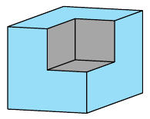
 | Trâm | D4_B6_ans |  | \begin{tikzpicture}[scale=1,line width=0.8pt,line join=round,>=stealth] \def\a{5.5} \def\b{2.5} \path (3.2,0) coordinate (D) (0,0) coordinate (B) (-1,\b) coordinate (m)node[above ]{$m$} (\a,\b) coordinate (m') (-1,0) coordinate (n)node[above ]{$n$} (\a,0) coordinate (n') ($(D)+(70:4)$) coordinate (y)node[right]{$y$} ($(y)!1.2!(D)$) coordinate (y') ($(B)+(90:\b+1)$) coordinate (x)node[left]{$x$} ($(x)!1.2!(B)$) coordinate (x') (intersection of y--D and m--m') coordinate (C) (intersection of B--x and m--m') coordinate (A) ($(D)+(125:4)$) coordinate (t)node[right]{$t$} ($(C)+(125:2)$) coordinate (z)node[right]{$z$} ; \draw (m)--(m') (n)--(n') (x)--(x') (y)--(y') (D)--(t) (C)--(z) (C) node[shift={(35:0.3)}]{\footnotesize 1} (C) node[shift={(-145:0.3)}]{\footnotesize 2} (D) node[shift={(-145:0.4)}]{\footnotesize 1} (D) node[shift={(-55:0.3)}]{\footnotesize 2} (D)++(97.5:0.3)--++(97.5:0.2) (D)++(152.5:0.3)--++(152.5:0.2) ; \foreach \x/ \goc in {A/135,B/135,C/-55,D/35} \fill (\x) circle (1.5pt) ($(\x)+(\goc:3.5mm)$) node {$\x$}; \draw pic[draw, angle radius=3mm]{right angle=D--B--A}; \draw pic[draw, angle radius=5mm,font=\footnotesize,angle eccentricity=2,"$70^\circ$"]{angle=m'--C--y}; \draw pic[draw, angle radius=4mm]{angle=C--D--B}; \draw pic[draw,double, angle radius=3.5mm]{angle=y--C--z}; \draw pic[draw,double, angle radius=4mm]{angle=z--C--A}; \end{tikzpicture}
 | Trâm | D5_B8 |  | \begin{tikzpicture}[scale=1,line width=0.8pt,line join=round,>=stealth] \def\a{4} \def\b{2.5} \def\gt{50} \def\gd{50} \def\d{1} \path (0,\b) coordinate (A) (\a,\b) coordinate (M) (0,0) coordinate (B) (\a,0) coordinate (C) (A)++(90:\d) coordinate (c)node[left]{$c$} (C)++(-\gd:\d) coordinate (d) (C)++(0:\d) coordinate (b') ($(M)!1!\gt:(A)$) coordinate (M') ($(C)!1!-\gd:(B)$) coordinate (C') (intersection of M--M' and C--C') coordinate (O) (O)+(0:\b) coordinate (t)%node[above]{$t$} (intersection of M--A and C--O) coordinate (D) ; \draw (A)++(180:\d)node[above]{$a$}--(M)--++(0:\d) (B)++(180:\d)node[above]{$b$}--(C)--++(0:\d) (c)--(B)--++(-90:\d) (D)++(180-\gd:\d)--(C)--(d) (O)--(M) \foreach \dinh/\g/\note/\shift in { C/-25/$50^\circ$/0.9, C/155/2/0.5, C/-28/1/0.4, D/155/2/0.5, D/-115/1/0.3, O/0/$100^\circ$/0.8, M/-65/1/0.3} {(\dinh) node[shift={(\g:\shift)}]{\footnotesize \note}} ; \foreach \x/ \goc in {A/-135,B/-135,O/-160,D/60,M/90,C/-110} \fill (\x) circle (1.5pt) ($(\x)+(\goc:3.5mm)$) node {$\x$}; \draw pic[draw, angle radius=3mm]{right angle=M--A--c}; \draw pic[draw, angle radius=3mm]{right angle=C--B--c}; \draw pic[draw, angle radius=4mm]{angle=C--O--M}; \draw pic[draw,double,angle radius=6mm]{angle=d--C--b'}; \end{tikzpicture}
 | Trâm | D5_B8_ans |  | \begin{tikzpicture}[scale=1,line width=0.8pt,line join=round,>=stealth] \def\a{4} \def\b{2.5} \def\gt{50} \def\gd{50} \def\d{1} \path (0,\b) coordinate (A) (\a,\b) coordinate (M) (0,0) coordinate (B) (\a,0) coordinate (C) (A)++(90:\d) coordinate (c)node[left]{$c$} (C)++(-\gd:\d) coordinate (d) (C)++(0:\d) coordinate (b') ($(M)!1!\gt:(A)$) coordinate (M') ($(C)!1!-\gd:(B)$) coordinate (C') (intersection of M--M' and C--C') coordinate (O) (O)+(0:\b) coordinate (t) node[above]{$t$} (intersection of M--A and C--O) coordinate (D) ; \draw (A)++(180:\d)node[above]{$a$}--(M)--++(0:\d) (B)++(180:\d)node[above]{$b$}--(C)--++(0:\d) (c)--(B)--++(-90:\d) (D)++(180-\gd:\d)--(C)--(d) (O)--(M) (O)--(t) \foreach \dinh/\g/\note/\shift in { C/-25/$50^\circ$/0.9, C/155/2/0.5, C/-28/1/0.4, D/155/2/0.5, D/-115/1/0.3, O/25/1/0.4, O/-25/2/0.4, O/-15/$100^\circ$/1, M/-65/1/0.3} {(\dinh) node[shift={(\g:\shift)}]{\footnotesize \note}} ; \foreach \x/ \goc in {A/-135,B/-135,O/-160,D/60,M/90,C/-110} \fill (\x) circle (1.5pt) ($(\x)+(\goc:3.5mm)$) node {$\x$}; \draw pic[draw, angle radius=3mm]{right angle=M--A--c}; \draw pic[draw, angle radius=3mm]{right angle=C--B--c}; \draw pic[draw, angle radius=6mm]{angle=C--O--M}; \draw pic[draw,double,angle radius=6mm]{angle=d--C--b'}; \end{tikzpicture}
 | Trâm | D6_B4 | 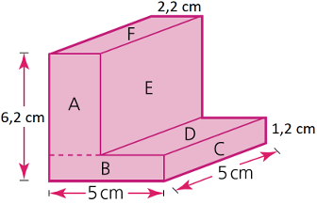 | \begin{tikzpicture}[scale=1,line width=0.8pt,line join=round,>=stealth] \def\a{2.5} \def\b{1.8} \def\c{3.1} \def\d{0.3} \def\g{20} \def\e{1.1} \def\f{0.6} \path (0,0) coordinate (A) (0:\a) coordinate (B) (B)+(90:\f) coordinate (C) (C)+(180:\a-\e) coordinate (D) (D)+(90:\c-\f) coordinate (E) (A)+(90:\c) coordinate (F) (B)+(\g:\b) coordinate (B') (C)+(\g:\b) coordinate (C') (D)+(\g:\b) coordinate (D') (E)+(\g:\b) coordinate (E') (F)+(\g:\b) coordinate (F') ; \draw[fill=red!10] (A)--(B)--(B')--(C')node[midway,right]{1,2 cm}--(D')--(E')--(F')node[midway,above]{2,2 cm}--(F)--(A); \draw (B)--(C)--(D)--(E)--(F) (E)--(E') (D)--(D') (C)--(C'); \draw[dashed] (D)--++(180:\e) ; \draw[|<->|] (A)++(-90:\d)--++(0:\a) node[midway,below]{5 cm}; \draw[|<->|] (B)++(\g-90:\d)--++(\g:\b) node[midway,sloped,below]{5 cm}; \draw[|<->|] (A)++(180:\d)--++(90:\c) node[midway,left]{6,2 cm}; \foreach \m/\n/\ten in {A/C/B,F/D/A,B/C'/C,C/D'/D,D/E'/E,E/F'/F} \draw ($(\m)!0.5!(\n)$) node{\ten}; \end{tikzpicture} | 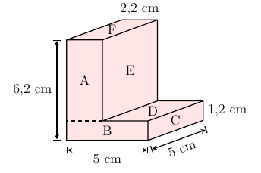
 | Trâm | D20_B7 |  | \begin{tikzpicture}[scale=1,line width=0.8pt,line join=round,>=stealth] \def\a{3} \def\d{1} \path (0,0) coordinate (A) (-40:\a) coordinate (C) (-140:\a) coordinate (B) (0:\a) coordinate (t) ; \draw (A)++(40:\d)node[right]{$x$}--++(-140:\a+2*\d)node[right]{$x'$} (A)++(140:\d)node[right]{$z$}--++(-40:\a+2*\d)node[right]{$z'$} (B)++(180:\d)node[above]{$y$}--(C)--++(0:\d)node[above]{$y'$} (A)--(t)node[above]{$t$} ; \foreach \x/ \goc in {A/90,B/110,C/70} \fill (\x) circle (1.5pt) ($(\x)+(\goc:3.5mm)$) node {$\x$}; \end{tikzpicture}
 | Trâm | D12_H6 | 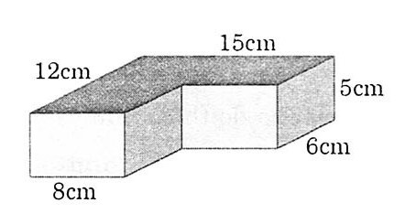 | \begin{tikzpicture}[scale=1,line width=0.8pt,line join=round,>=stealth] \def\a{1.6} \def\b{1} \def\c{1.4} \def\d{1} \def\gx{25} \path (0,0) coordinate (A) (0:\a) coordinate (B) (B)+(\gx:\b) coordinate (C) (C)+(0:\c) coordinate (D) (D)+(\gx:\b) coordinate (E) (\gx:2*\b) coordinate (F) (A)+(90:\d) coordinate (A') (B)+(90:\d) coordinate (B') (C)+(90:\d) coordinate (C') (D)+(90:\d) coordinate (D') (E)+(90:\d) coordinate (E') (F)+(90:\d) coordinate (F') ; \draw[fill=teal!50!white] (A')--(F')node[midway,above left]{12 cm} --(E')node[midway,above]{15 cm} --(D')--(C')--(B')--(A'); \draw[fill=teal!10!white] (A')--(B')--(B)--(A)node[midway,below]{8 cm}--(A') (C')--(D')--(D)--(C)--(C'); \draw[fill=teal!30!white] (B')--(C')--(C)--(B)--(B') (D')--(E')--(E)node[midway,right]{5 cm}--(D)node[midway,below right]{6 cm}--(D'); \end{tikzpicture} | 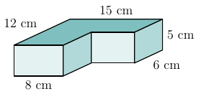
 | Trâm | D12_B7 | 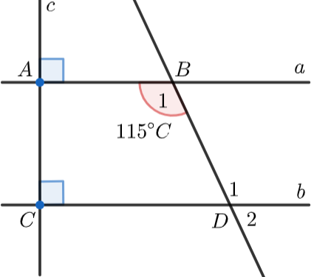 | \begin{tikzpicture}[scale=1,line width=0.8pt,line join=round,>=stealth] \def\a{4} \def\b{2.5} \def\d{1} \path (0,\b) coordinate (A) (0,0) coordinate (C) (\a,0) coordinate (D) node[shift={(60:0.4)}]{\footnotesize 1} node[shift={(-30:0.4)}]{\footnotesize 2} (D)++(0:\d) coordinate (b) node[above]{$b$} (b)++(90:\b) coordinate (a) node[above]{$a$} (C)++(90:\b+\d) coordinate (c) node[right]{$c$} (D)++(115:1.5*\b) coordinate (B') (intersection of D--B' and A--a) coordinate (B) node[shift={(-125:0.3)}]{\footnotesize 1} ($(B)!1.3!(D)$) coordinate (D') ; \draw (A)++(180:\d)--(a) (C)++(180:\d)--(b) (B')--(D') (A)--++(90:\d)--++(-90:\b+2*\d) ; \foreach \x/ \goc in {A/135,B/60,C/-135,D/-120} \fill (\x) circle (1.5pt) ($(\x)+(\goc:3.5mm)$) node {$\x$}; \draw pic[draw, angle radius=3mm]{right angle=D--C--A}; \draw pic[draw, angle radius=3mm]{right angle=B--A--c}; \draw pic[draw, angle radius=5mm,angle eccentricity=1.8,"$115^\circ$"]{angle=A--B--D}; \end{tikzpicture} | 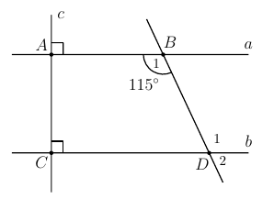
 | Trâm | TN_HH_C19 |  | \begin{tikzpicture}[scale=1,line width=0.8pt,line join=round,>=stealth] \def\a{4} \def\d{1} \path (0,0) coordinate (A) (-35:\a) coordinate (C) (C)+(180:1.1*\a) coordinate (B) ($(A)!0.6!(B)$) coordinate (E) ($(A)!0.6!(C)$) coordinate (F) ; \draw (A)--(B)--(C)--(A) (E)--(F) ; \foreach \x/ \goc in {A/90,B/-110,C/-40,E/160,F/20} \fill (\x) circle (1.5pt) ($(\x)+(\goc:3.5mm)$) node {$\x$}; \draw pic[draw, angle radius=4mm]{angle=A--C--B}; \draw pic[draw, angle radius=4mm]{angle=A--F--E}; \end{tikzpicture}
 | Trâm | TN_HH_C20 | 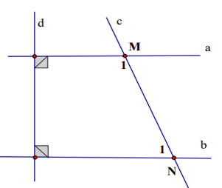 | \begin{tikzpicture}[scale=1,line width=0.8pt,line join=round,>=stealth] \def\a{3.5} \def\b{2} \def\d{0.8} \path (0,\b) coordinate (A) (0,0) coordinate (C) (\a,0) coordinate (N) node[shift={(150:0.4)}]{\footnotesize 1} (N)++(0:\d) coordinate (b) node[above]{$b$} (b)++(90:\b) coordinate (a) node[above]{$a$} (C)++(90:\b+\d) coordinate (c) node[right]{$d$} (N)++(115:1.6*\b) coordinate (M') node[right]{$c$} (intersection of N--M' and A--a) coordinate (M) node[shift={(-125:0.3)}]{\footnotesize 1} ($(M)!1.4!(N)$) coordinate (N') ; \draw (A)++(180:\d)--(a) (C)++(180:\d)--(b) (M')--(N') (A)--++(90:\d)--++(-90:\b+2*\d) ; \foreach \x/ \goc in {M/60,N/-120} \fill (\x) circle (1.5pt) ($(\x)+(\goc:3.5mm)$) node {$\x$}; \draw pic[draw, angle radius=3mm]{right angle=N--C--A}; \draw pic[draw, angle radius=3mm]{right angle=M--A--c}; \end{tikzpicture} | 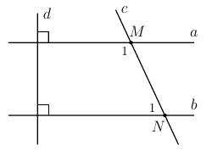
 | Trâm | TN_HH_C21 |  | \begin{tikzpicture}[scale=1,line width=0.8pt,line join=round,>=stealth] \def\a{3.5} \def\b{2} \def\d{0.8} \path (0,\b) coordinate (A) (0,0) coordinate (C) (\a,0) coordinate (N) node[shift={(150:0.5)}]{\footnotesize $y$} (N)++(0:\d) coordinate (b) node[above]{$b$} (b)++(90:\b) coordinate (a) node[above]{$a$} (C)++(90:\b+\d) coordinate (c) (N)++(115:1.5*\b) coordinate (M') (intersection of N--M' and A--a) coordinate (M) node[shift={(-125:0.5)}]{\footnotesize $x$} ($(M)!1.3!(N)$) coordinate (N') ; \draw (A)++(180:\d)--(a) (C)++(180:\d)--(b) (M')--(N') (A)--++(90:\d)--++(-90:\b+2*\d) ; \foreach \x/ \goc in {} \fill (\x) circle (1.5pt) ($(\x)+(\goc:3.5mm)$) node {$\x$}; \draw pic[draw, angle radius=3mm]{right angle=N--C--A}; \draw pic[draw, angle radius=3mm]{right angle=M--A--c}; \draw pic[draw, angle radius=3mm]{angle=A--M--N}; \draw pic[draw,double, angle radius=3mm]{angle=M--N--C}; \end{tikzpicture}
 | Trâm | TN_HH_C23 |  | \begin{tikzpicture}[scale=1,line width=0.8pt,line join=round,>=stealth] \def\c{3} \path (0,0) coordinate (A) (-10:1) coordinate (B) (-100:2) coordinate (C) (-150:2.6) coordinate (D) (A)+(90:\c) coordinate (A') (B)+(90:\c) coordinate (B') (C)+(90:\c) coordinate (C') (D)+(90:\c) coordinate (D') ; \draw (D')--(D)--(C)--(B)--(B')--(A')--(D')--(C')--(C) (C')--(B') ; \draw[dashed] (D)--(A)--(B) (A')--(A) ; \foreach \x/ \goc in {A/40,B/-10,C/-80,D/-150,A'/90,B'/30,C'/100,D'/160} \fill (\x) circle (1.5pt) ($(\x)+(\goc:3.5mm)$) node {$\x$}; \end{tikzpicture}
 | Trâm | TN_HH_C30 |  | \begin{tikzpicture}[scale=1,line width=0.8pt,line join=round,>=stealth] \def\a{3} \def\b{1.5} \def\c{4} \def\d{5} \def\gd{0} \def\gx{150} \path (0,0) coordinate (A) (\gd:\a) coordinate (B) (\gx:\b) coordinate (D) (B)+(D) coordinate (C) (A)+(90:\c) coordinate (A') (B)+(90:\c) coordinate (B') (C)+(90:\c) coordinate (C') (D)+(90:\c) coordinate (D') (A)+(90:\d) coordinate (A1) (B)+(90:\d) coordinate (B1) (C)+(90:\d) coordinate (C1) (D)+(90:\d) coordinate (D1) ; \draw[fill=cyan!40!white] (A)--(D)node[midway,below left]{8 cm}--(D')--(A')--(B')--(B)--(A)node[midway,below]{10 cm} ; \draw[fill=cyan!20!white] (A')--(D')--(C')--(B')--(A') ; \draw (A)--(D)--(D1)--(C1)--(B1)--(B)--(A) (A)--(A1) (A1)--(B1) (A1)--(D1) (A')--(B')--(C')--(D')--(A') ; \draw[dashed] (D)--(C)--(C1) (C)--(B) ; \draw[latex-latex] (B')++(0:0.3)--++(90:\d-\c)node[midway,right]{6 cm} ; \draw[latex-latex] (D)++(180:0.3)--++(90:\d)node[midway,left]{30 cm} ; \end{tikzpicture}
 | Trâm | Đề số 7, bài 3 | 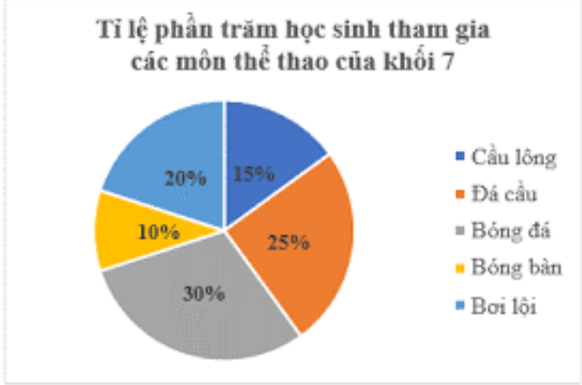 | \begin{tikzpicture}[scale=1,font=\small,line join=round,line cap=round,>=stealth] \def\r{2.2} \def\gocxp{90} \coordinate (A) at (90:\r); \draw (0.6*\r,\r+1.1)node{\textbf{Tỉ lệ phần trăm học sinh tham gia}}; \draw (0.6*\r,\r+0.6)node{\textbf{các môn thể thao của khối 7}}; \foreach \val/\freq/\col/\pattern/\rate[count=\i from 0] in{ Cầu lông/15/gray/grid/15\%, Đá cầu/25/gray/fivepointed stars/25\%, Bóng đá/30/gray/vertical lines/30\%, Bóng bàn/10/gray/dots/10\%, Bơi lội/20/gray/bricks/20\%}{ \pgfmathsetmacro\gockt{-(\freq*3.60-\gocxp)} \pgfmathsetmacro\gocnode{\gocxp+\gockt} \draw[pattern = \pattern,pattern color=\col] (0,0)--(A) arc(\gocxp:\gockt:\r) coordinate(A)--cycle; \filldraw[pattern = \pattern,pattern color=\col] (\r+0.5,0.8*\r-0.8*\i) --++(0:.5)--++(-90:.4) node[pos=.5,right,black]{\val}--++(180:.5)--cycle; \path ($(0,0)+(\gocnode/2:\r/1.5)$) node[fill=white,inner sep=0.5pt,rectangle]{\color{black} \rate}; \global\let\gocxp=\gockt } \end{tikzpicture} | 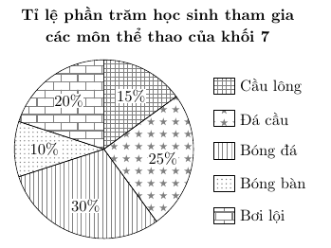
 |  |  |  | \begin{tikzpicture}[scale=1,font=\small,line join=round,>=stealth] \def\hoanh{10} \def\tung{3.5} \def\mau{mauChuDao} \def\sc{15} \draw[-] (-0.1,0)node[left]{0}--(\hoanh,0); \draw[->] (0,0)--(0,\tung+1); \foreach \x in {1,2,...,10}{\draw (\x,-0.1)--++(90:0.1);} \foreach \y in {10,20,...,60}{\draw (-0.1,\y/\sc)node[left]{$\y$}--++(0:0.2); \draw[dashed,lightgray] (0,\y/\sc)--(\hoanh,\y/\sc);} \foreach \x/\n/\p in{1/40/9h,3/50/11h,5/20/13h,7/35/15h,9/45/17h} { \draw[fill=\mau] (\x,\n/\sc) circle (2.5pt) node[above,black]{\n}; \node at (\x,-0.4){\footnotesize \p};} \draw[\mau,line width=1.5pt] (1,40/\sc)--(3,50/\sc)--(5,20/\sc)--(7,35/\sc)--(9,45/\sc); \end{tikzpicture}
 |  | Đề số 10 - bài 6 | 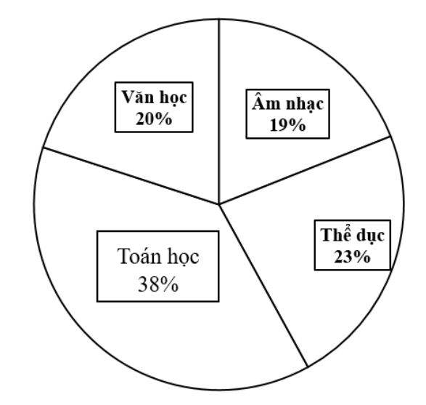 | \begin{tikzpicture}[scale=1,font=\small,line join=round,line cap=round,>=stealth] \def\r{2.2} \def\gocxp{90} \coordinate (A) at (90:\r); \draw (0.6*\r,\r+1.1)node{\textbf{Tỉ lệ phần trăm môn học yêu thích}}; \draw (0.6*\r,\r+0.6)node{\textbf{của học sinh khối 7}}; \foreach \val/\freq/\col/\pattern/\rate[count=\i from 0] in{ Âm nhạc/19/gray/grid/19\%, Thể dục/23/gray/fivepointed stars/23\%, Toán học/38/gray/vertical lines/38\%, Văn học/20/gray/dots/20\%}{ \pgfmathsetmacro\gockt{-(\freq*3.60-\gocxp)} \pgfmathsetmacro\gocnode{\gocxp+\gockt} \draw[pattern = \pattern,pattern color=\col] (0,0)--(A) arc(\gocxp:\gockt:\r) coordinate(A)--cycle; \filldraw[pattern = \pattern,pattern color=\col] (\r+0.5,0.8*\r-0.8*\i) --++(0:.5)--++(-90:.4) node[pos=.5,right,black]{\val}--++(180:.5)--cycle; \path ($(0,0)+(\gocnode/2:\r/1.5)$) node[fill=white,inner sep=0.5pt,rectangle]{\color{black} \rate}; \global\let\gocxp=\gockt } \end{tikzpicture} | 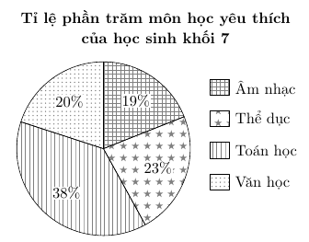
 |  | Đề số 11 - bài 6 | 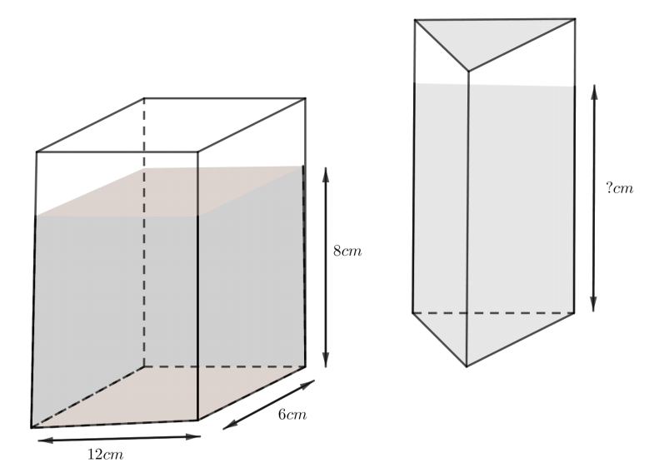 | \begin{tikzpicture}[scale=1,line width=0.8pt,line join=round,>=stealth] \def\a{3} \def\b{1.5} \def\c{2} \def\d{3} \def\gd{0} \def\gx{30} \path (0,0) coordinate (A) (\gd:\a) coordinate (B) (\gx:\b) coordinate (D) (B)+(D) coordinate (C) (A)+(90:\c) coordinate (A') (B)+(90:\c) coordinate (B') (C)+(90:\c) coordinate (C') (D)+(90:\c) coordinate (D') (A)+(90:\d) coordinate (A1) (B)+(90:\d) coordinate (B1) (C)+(90:\d) coordinate (C1) (D)+(90:\d) coordinate (D1) ; \fill[cyan!40!white] (A)--(B)--(C)--(C')--(B')--(A')--(A) ; \draw[fill=cyan!20!white,line width=0.3pt] (A')--(D')--(C')--(B')--(A') ; \draw (A)--(A1)--(D1)--(C1)--(C)--(B)node[midway,below right]{6 cm}--(A)node[midway,below]{12 cm} (A1)--(B1)--(C1) (B)--(B1); \draw[dashed] (A)--(D)--(D1) (D)--(C) ; \draw[latex-latex] (C)++(0:0.3)--++(90:\c)node[midway,right]{8 cm} ; \def\m{2.5} \def\n{4} \def\p{2} \path (3*\a,1) coordinate (M) (M)+(\gx-180:1.8) coordinate (P) (M)+(180:\m) coordinate (N) (M)+(90:\d) coordinate (M') (N)+(90:\d) coordinate (N') (P)+(90:\d) coordinate (P') (M)+(90:\n) coordinate (M1) (N)+(90:\n) coordinate (N1) (P)+(90:\n) coordinate (P1) ; \fill[cyan!40!white] (M)--(P)--(N)--(N')--(P')--(M')--(M) ; \draw[fill=cyan!20!white,line width=0.3pt] (M')--(N')--(P')--(M') ; \draw (M)--(P)--(N)--(N1)--(M1)--(M) (M1)--(P1)--(N1) (P)--(P1); \draw[dashed] (M)--(N) ; \draw[latex-latex] (M)++(0:0.3)--++(90:\d)node[midway,right]{? cm} ; \end{tikzpicture} | 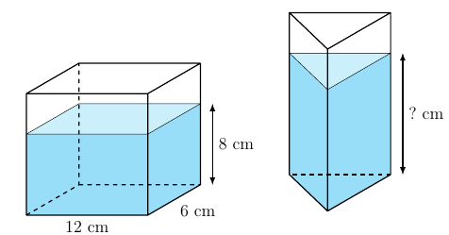
 |  | Đề số 11 - bài 7 | 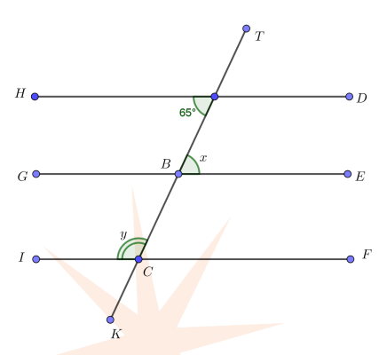 | \begin{tikzpicture}[scale=1,line width=0.8pt,line join=round,>=stealth] \def\a{5} \def\b{1.5} \def\g{65} \path (0,\b) coordinate (H) (0,0) coordinate (G) (0,-\b) coordinate (I) (\a,\b) coordinate (D) (\a,0) coordinate (E) (\a,-\b) coordinate (F) ($(G)!0.5!(E)$) coordinate (B) (B)+(\g:1.7*\b) coordinate (T) (B)+(\g-180:1.7*\b) coordinate (K) (intersection of B--T and H--D) coordinate (A) (intersection of B--T and I--F) coordinate (C) ; \draw (H)--(D) (G)--(E) (I)--(F) (T)--(K); \foreach \x/ \goc in {A/130,B/130,C/-40,D/0,E/0,F/0,G/180,H/180,I/180,T/0,K/180} \fill (\x) circle (1.5pt) ($(\x)+(\goc:3.5mm)$) node {$\x$}; \draw pic[draw, angle radius=4mm,angle eccentricity=1.8,"$65^\circ$"]{angle=H--A--B}; \draw pic[draw, angle radius=4mm,angle eccentricity=1.6,"$x$"]{angle=E--B--A}; \draw pic[draw,double, angle radius=3mm,angle eccentricity=1.8,"$y$"]{angle=B--C--I}; \end{tikzpicture} | 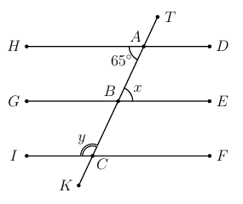
 |  | Đề 12 - bài 8 |  | \begin{tikzpicture}[scale=1,font=\small,line join=round,line cap=round,>=stealth] \def\r{2.2} \def\gocxp{90} \coordinate (A) at (90:\r); \draw (0.7*\r,\r+1.1)node{\textbf{Tỉ lệ phần trăm học sinh tham gia}}; \draw (0.7*\r,\r+0.6)node{\textbf{các môn thể thao của khối 7}}; \foreach \val/\freq/\col/\pattern/\rate[count=\i from 0] in{ Bóng đá/40/gray/grid/40\%, Bóng bàn/25/gray/fivepointed stars/25\%, Cầu lông/15/gray/vertical lines/15\%, Bóng chuyền/20/gray/dots/20\%}{ \pgfmathsetmacro\gockt{-(\freq*3.60-\gocxp)} \pgfmathsetmacro\gocnode{\gocxp+\gockt} \draw[pattern = \pattern,pattern color=\col] (0,0)--(A) arc(\gocxp:\gockt:\r) coordinate(A)--cycle; \filldraw[pattern = \pattern,pattern color=\col] (\r+0.5,0.6*\r-0.8*\i) --++(0:.5)--++(-90:.4) node[pos=.5,right,black]{\val}--++(180:.5)--cycle; \path ($(0,0)+(\gocnode/2:\r/1.5)$) node[fill=white,inner sep=0.5pt,rectangle]{\color{black} \rate}; \global\let\gocxp=\gockt } \end{tikzpicture}
 |  | Đề 18 - Bài 3 |  | \begin{tikzpicture}[scale=1,font=\small,line join=round,>=stealth] \def\hoanh{10.5} \def\tung{5} \def\mau{mauChuDao} \def\sc{8} \draw (\hoanh/2,\tung+1)node{\textbf{Biểu đồ ghi bàn của Ronaldo và Messi}}; \draw[->] (-0.1,0)node[left]{0}--(\hoanh+0.2,0)node[below]{Năm}; \draw[->] (0,0)--(0,\tung+0.8)node[left]{Số bàn}; \foreach \y in {5,10,...,40}{\draw (-0.1,\y/\sc)node[left]{$\y$}--++(0:0.2); \draw[dashed,lightgray] (0,\y/\sc)--(\hoanh,\y/\sc);} \draw[\mau,line width=1.5pt] (1,25/\sc)--(3,26/\sc)--(5,21/\sc)--(7,31/\sc)--(9,20/\sc) (\hoanh/4,-1)--++(0:0.7)node[right,black]{Ronaldo}; \draw[\mau,double,line width=1.2pt] (1,37/\sc)--(3,34/\sc)--(5,36/\sc)--(7,25/\sc)--(9,19/\sc) (\hoanh/1.8,-1)--++(0:0.7)node[right,black]{Messi}; \foreach \x/\m/\n/\p in{1/25/37/2016,3/26/34/2017,5/21/36/2018,7/25/31/2019,9/19/20/2020} { \draw[fill=\mau] (\x,\m/\sc) circle (2.5pt) node[below,black]{\m} (\x,\n/\sc) circle (2.5pt) node[above,black]{\n}; \node at (\x,-0.4){\footnotesize \p};} \end{tikzpicture}
 |  | Đề S3 - Bài 7 |  | \begin{tikzpicture}[scale=1,font=\small,line join=round,>=stealth] \def\hoanh{11} \def\tung{4} \def\mau{mauChuDao} \def\sc{15} \draw[->] (-0.1,0)node[left]{0}--(\hoanh,0)node[below]{Thời điểm (h)}; \draw[->] (0,0)--(0,\tung)node[left]{Số lượt khách}; \foreach \x in {1,2,...,10}{\draw (\x,-0.1)--++(90:0.1);} \foreach \y in {10,20,...,50}{\draw (-0.1,\y/\sc)node[left]{$\y$}--++(0:0.2); \draw[dashed,lightgray] (0,\y/\sc)--(\hoanh,\y/\sc);} \foreach \x/\n/\p in{1/40/9,3/50/11,5/20/13,7/35/15,9/45/17} { \draw[fill=\mau] (\x,\n/\sc) circle (2.5pt) node[above,black]{\n}; \draw[dashed,\mau] (\x,0)--(\x,\n/\sc); \node at (\x,-0.4){\footnotesize \p};} \draw[\mau,line width=1.5pt] (1,40/\sc)--(3,50/\sc)--(5,20/\sc)--(7,35/\sc)--(9,45/\sc); \end{tikzpicture}
 |  | Đề STAR 4 - Bài 8 |  | \begin{tikzpicture}[scale=1,line width=1pt,line join=round,>=stealth] \def\a{2} \path (0,0) coordinate (A) (A)+(0:\a) coordinate (B) (B)+(-90:\a) coordinate (C) (C)+(180:\a) coordinate (D) (-\a/2,-\a) coordinate (E) (E)+(0:\a) coordinate (H) (H)+(-90:\a) coordinate (G) (G)+(180:\a) coordinate (F) (H)+(0:\a) coordinate (I) (I)+(-90:\a) coordinate (J) ; \draw[fill=gray] (A)--(J)--(I)--(C)--(B)--cycle; \draw (A)--(B)--(C)--(D)--(A) (E)--(I)--(J)--(F)--(E) (H)--(G); \foreach \x/ \goc in {A/135,B/45,C/45,D/135,E/135,F/-135,G/-90,H/90,I/45,J/-45} \fill (\x) circle (1pt) ($(\x)+(\goc:3mm)$) node {$\x$}; \end{tikzpicture}
 |  | Đề STAR 4 - Bài 5 |  | \begin{tikzpicture}[scale=1,line width=0.8pt,line join=round,>=stealth,font=\footnotesize] \def\a{2.5} \def\b{1.9} \def\c{3} \def\gd{0} \def\gx{25} \path (0,0) coordinate (A) (\gd:\a) coordinate (B) (\gx:\b) coordinate (D) (B)+(D) coordinate (C) (A)+(90:\c) coordinate (A') (B)+(90:\c) coordinate (B') (C)+(90:\c) coordinate (C') (D)+(90:\c) coordinate (D') ($(A')!0.2!(B)$) coordinate (M) ($(A)!0.2!(B')$) coordinate (N) ($(A')!0.8!(B)$) coordinate (P) (N)+(\gx:\b) coordinate (N') (P)+(45:0.2) coordinate (P') ; \fill[blue!30!white] (A)--(A')--(M)--(N)--(P)--(B)--(A)node[midway,below,black]{5 dm}; \draw[fill=blue!20!white] (N)--(N')--(P)--(N)node[midway,below]{3 dm}; \draw[fill=lightgray!70] (M)--(N)node[midway,sloped,above]{4 dm}--(N')--cycle; \fill[blue!30!white] (A')--(D')--(C')--(C)--(B)node[midway,black,below right]{7 dm}--(A'); \draw (A)--(A')--(D')--(C')--(C)--(B)--(A) (A')--(B')--(C') (B)--(B')node[midway,right]{6 dm} (M)--(P); \draw[|<->|] (M)++(45:0.2)--(P') node[midway,sloped,above]{5 dm}; \end{tikzpicture}
 |  | TN_TK_C25 |  | \begin{tikzpicture}[scale=1,font=\small,line join=round,line cap=round,>=stealth] \def\r{2.2} \def\gocxp{90} \coordinate (A) at (90:\r); \foreach \val/\freq/\col/\pattern/\rate[count=\i from 0] in{ Cam/50/gray/grid/50\%, Xoài/25/gray/fivepointed stars/25\%, Bưởi/20/gray/vertical lines/20\%, Mít/5/gray/dots/5\%}{ \pgfmathsetmacro\gockt{-(\freq*3.60-\gocxp)} \pgfmathsetmacro\gocnode{\gocxp+\gockt} \draw[pattern = \pattern,pattern color=\col] (0,0)--(A) arc(\gocxp:\gockt:\r) coordinate(A)--cycle; \filldraw[pattern = \pattern,pattern color=\col] (\r+0.5,0.6*\r-0.8*\i) --++(0:.5)--++(-90:.4) node[pos=.5,right,black]{\val}--++(180:.5)--cycle; \path ($(0,0)+(\gocnode/2:\r/1.5)$) node[fill=white,inner sep=0.5pt,rectangle,font=\footnotesize]{\color{black} \rate} ; \global\let\gocxp=\gockt } \end{tikzpicture}
 |  | TN_TK_C26 |  | \begin{tikzpicture}[scale=1,font=\small,line join=round,line cap=round,>=stealth] \def\r{2.2} \def\gocxp{90} \coordinate (A) at (90:\r); \foreach \val/\freq/\col/\pattern/\rate[count=\i from 0] in{ Bình thường/66.4/purple/north east lines/$66{,}40$\%, Cận thị/32.8/purple/dots/$32{,}80$\%, Viễn thị - Loạn thị/0.8/purple/crosshatch/}{ \pgfmathsetmacro\gockt{-(\freq*3.60-\gocxp)} \pgfmathsetmacro\gocnode{\gocxp+\gockt} \draw[pattern = \pattern,pattern color=\col] (0,0)--(A) arc(\gocxp:\gockt:\r) coordinate(A)--cycle; \filldraw[pattern = \pattern,pattern color=\col] (\r+0.5,0.6*\r-0.8*\i) --++(0:.5)--++(-90:.4) node[pos=.5,right,black]{\val}--++(180:.5)--cycle; \path ($(0,0)+(\gocnode/2:\r/1.6)$) node[fill=white,inner sep=0.5pt,rectangle,font=\footnotesize]{\color{black} \rate} ; \path ($(0,0)+(90+0.8*1.8:\r/0.9)$) node[fill=white,inner sep=0.5pt,rectangle,font=\footnotesize]{\color{black} 0,8\%} ; \global\let\gocxp=\gockt } \end{tikzpicture}
 |  | TN_TK_C27 | 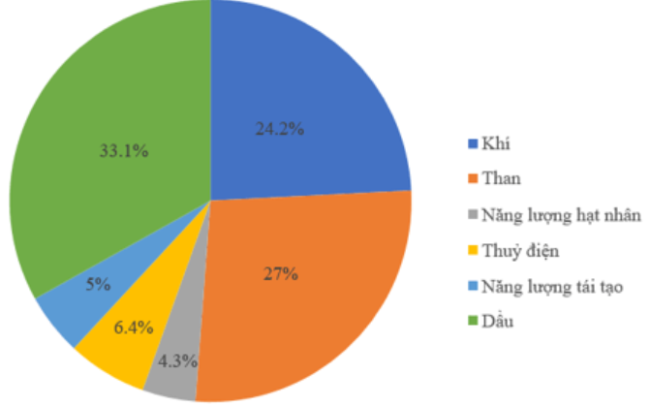 | \begin{tikzpicture}[scale=1,font=\small,line join=round,line cap=round,>=stealth] \def\r{2.4} \def\gocxp{90} \coordinate (A) at (90:\r); \foreach \val/\freq/\col/\pattern/\rate/\c[count=\i from 0] in{ Khí/24.2/teal/horizontal lines/$24{,}2$\%/1.5, Than/27/teal/grid/$27$\%/1.5, Năng lượng hạt nhân/4.3/teal/dots/$4{,}3$\%/0.87, Thủy điện/6.4/teal/fivepointed stars/$6{,}4$\%/0.87, Năng lượng tái tạo/5/teal/bricks/$5$\%/0.87, Dầu/33.1/teal/crosshatch/$33{,}1$\%/1.5}{ \pgfmathsetmacro\gockt{-(\freq*3.60-\gocxp)} \pgfmathsetmacro\gocnode{\gocxp+\gockt} \draw[pattern = \pattern,pattern color=\col] (0,0)--(A) arc(\gocxp:\gockt:\r) coordinate(A)--cycle; \filldraw[pattern = \pattern,pattern color=\col] (\r+0.5,0.9*\r-0.8*\i) --++(0:.5)--++(-90:.4) node[pos=.5,right,black]{\val}--++(180:.5)--cycle; \path ($(0,0)+(\gocnode/2:\r/\c)$) node[fill=white,inner sep=0.5pt,rectangle,font=\footnotesize]{\color{black} \rate} ; \global\let\gocxp=\gockt } \end{tikzpicture} | 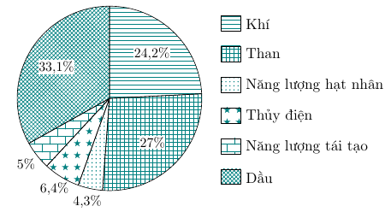
 |  | TN_TK_C30 |  | \begin{tikzpicture}[scale=1,font=\small,line join=round,line cap=round,>=stealth] \def\r{2.2} \def\gocxp{90} \coordinate (A) at (90:\r); \foreach \val/\freq/\col/\pattern/\rate[count=\i from 0] in{ Búp bê/25/blue/north east lines/25\%, Bộ tô màu/50/blue/dots/50\%, Bộ lắp ghép/5/blue/crosshatch/5\%, Các mặt hàng khác/20/blue/bricks/20\%}{ \pgfmathsetmacro\gockt{-(\freq*3.60-\gocxp)} \pgfmathsetmacro\gocnode{\gocxp+\gockt} \draw[pattern = \pattern,pattern color=\col] (0,0)--(A) arc(\gocxp:\gockt:\r) coordinate(A)--cycle; \filldraw[pattern = \pattern,pattern color=\col] (\r+0.5,0.6*\r-0.8*\i) --++(0:.5)--++(-90:.4) node[pos=.5,right,black]{\val}--++(180:.5)--cycle; \path ($(0,0)+(\gocnode/2:\r/1.5)$) node[fill=white,inner sep=0.5pt,rectangle,font=\footnotesize]{\color{black} \rate} ; \global\let\gocxp=\gockt } \end{tikzpicture}
 |  | TN_TK_C31 |  | \begin{tikzpicture}[scale=1,font=\small,line join=round,line cap=round,>=stealth] \def\r{2.2} \def\gocxp{90} \coordinate (A) at (90:\r); \foreach \val/\freq/\col/\pattern/\rate[count=\i from 0] in{ Bánh mì bơ tỏi/12/olive/grid/12\%, Bánh mì Donut/25/olive/horizontal lines/25\%, Bánh Gato/43/olive/dots/43\%, Bánh kem chuối/13/olive/fivepointed stars/13\%, Bánh lưỡi mèo/7/olive/crosshatch/7\%}{ \pgfmathsetmacro\gockt{-(\freq*3.60-\gocxp)} \pgfmathsetmacro\gocnode{\gocxp+\gockt} \draw[pattern = \pattern,pattern color=\col] (0,0)--(A) arc(\gocxp:\gockt:\r) coordinate(A)--cycle; \filldraw[pattern = \pattern,pattern color=\col] (\r+0.5,0.8*\r-0.8*\i) --++(0:.5)--++(-90:.4) node[pos=.5,right,black]{\val}--++(180:.5)--cycle; \path ($(0,0)+(\gocnode/2:\r/1.3)$) node[fill=white,inner sep=0.5pt,rectangle,font=\footnotesize]{\color{black} \rate} ; \global\let\gocxp=\gockt } \end{tikzpicture}
 |  | D19_H1 |  | \begin{tikzpicture}[scale=1,line width=0.8pt,line join=round,>=stealth] \def\sc{5} \def\g{20} \def\b{2} \path (0,0) coordinate (A) (0:9/\sc) coordinate (B) (B)+(90:5/\sc) coordinate (C) (A)+(90:10/\sc) coordinate (E) (E)+(0:3/\sc) coordinate (D) (A)+(\g:\b) coordinate (A') (B)+(\g:\b) coordinate (B') (C)+(\g:\b) coordinate (C') (D)+(\g:\b) coordinate (D') (E)+(\g:\b) coordinate (E') ; \draw[fill=orange!50] (A)--(B)node[midway,below]{9 cm} --(C)--(D)--(E)--(A)node[midway,left]{10 cm}; \draw (B)--(B')node[midway,below right]{12 cm}--(C')node[midway,right]{5 cm} --(D')--(E')node[midway,above]{3 cm}--(E) (D)--(D') (C)--(C'); \end{tikzpicture}
 |  | D19_H2 |  | \begin{tikzpicture}[scale=1,line width=0.8pt,line join=round,>=stealth] \def\sc{2.5} \def\g{20} \def\b{1.5} \path (0,0) coordinate (A) (0:9/\sc) coordinate (B) (A)+(90:4/\sc) coordinate (C) (A)+(\g:\b) coordinate (A') (B)+(\g:\b) coordinate (B') (C)+(\g:\b) coordinate (C') ; \draw[fill=pink] (A)--(B)node[midway,below]{9 cm}--(C)--(A)node[midway,left]{4 cm}; \draw[fill=pink!40] (B)--(B')node[midway,below right]{5 cm}--(C')--(C)--(B); \pic[draw,angle radius=3mm]{right angle=B--A--C}; \end{tikzpicture}
 |  | D4 | 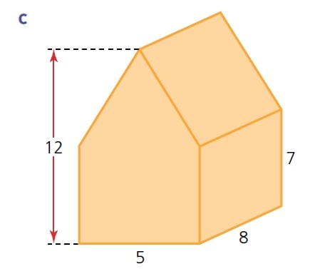 | \begin{tikzpicture}[scale=1,line width=0.8pt,line join=round,>=stealth] \def\sc{3} \def\b{1.7} \def\d{0.3} \def\g{10} \path (0,0) coordinate (O) (90:12/\sc) coordinate (A) (0:2.5/\sc) coordinate (C) (180:2.5/\sc) coordinate (D) (C)+(90:7/\sc) coordinate (B) (D)+(90:7/\sc) coordinate (E) (A)+(\g:\b) coordinate (A') (B)+(\g:\b) coordinate (B') (C)+(\g:\b) coordinate (C') (D)+(\g:\b) coordinate (D') (E)+(\g:\b) coordinate (E') ; \draw[fill=orange!30] (A)--(A')--(B')--(B)--(A) (B')--(C')node[midway,right]{7}--(C)node[midway,below right]{8}--(B) --(B') ; \draw[fill=orange!70] (A)--(B)--(C)--(D)node[midway,below]{5}--(E)--(A) ; \draw[dashed] (A)--++(180:2.5/\sc+\d) (D)--++(180:\d); \draw[<->] (D)++(180:\d)--++(90:12/\sc) node[midway,left]{12}; \end{tikzpicture} | 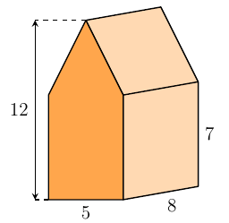
 |  | D5 | 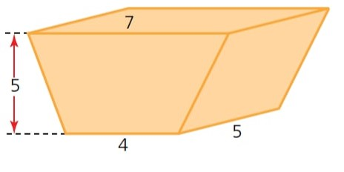 | \begin{tikzpicture}[scale=1,line width=0.8pt,line join=round,>=stealth] \def\sc{1.8} \def\b{1.8} \def\d{0.5} \def\g{20} \path (0,0) coordinate (O) (180:2/\sc) coordinate (A) (0:2/\sc) coordinate (B) (B)+(1.5/\sc,5/\sc) coordinate (C) (C)+(180:7/\sc) coordinate (D) (A)+(\g:\b) coordinate (A') (B)+(\g:\b) coordinate (B') (C)+(\g:\b) coordinate (C') (D)+(\g:\b) coordinate (D') ; \draw[fill=orange!30] (B)--(B')node[midway,below right]{5}--(C')--(C)--(B) (C)--(C')--(D')--(D)--(C)node[midway,above]{7} ; \draw[fill=orange!70] (A)--(B)node[midway,below]{4}--(C)--(D) --(A) ; \draw[dashed] (A)--++(180:1.5/\sc+\d) (D)--++(180:\d); \draw[<->] (D)++(180:\d)--++(-90:5/\sc) node[midway,left]{5}; \end{tikzpicture} | 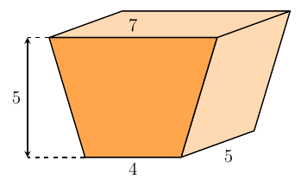
 |  | DS3 |  | \begin{tikzpicture}[scale=1,line width=0.8pt,line join=round,>=stealth] \def\sc{2} \def\b{1.6} \def\g{20} \def\e{1.1} \def\f{0.6} \path (0,0) coordinate (O) (180:2.5/\sc) coordinate (A) (0:4.5/\sc) coordinate (B) (B)+(90:3/\sc) coordinate (C) (C)+(180:2.5/\sc) coordinate (D) (D)+(90:4/\sc) coordinate (E) (90:7/\sc) coordinate (F) (90:3/\sc) coordinate (G) (G)+(180:2.5/\sc) coordinate (H) (B)+(\g:\b) coordinate (B') (C)+(\g:\b) coordinate (C') (D)+(\g:\b) coordinate (D') (E)+(\g:\b) coordinate (E') (F)+(\g:\b) coordinate (F') (H)+(\g:\b) coordinate (H') ; \draw[fill=cyan!20] (C)--(C')--(D')--(D)--(C) (E')--(F')node[midway,above]{2 cm}--(F)--(E)--(E') (H)--(H')--(G)--(H) ; \draw[fill=cyan!40] (B)--(B')node[midway,below right]{5 cm}--(C')--(C)--(B) (D')--(E')node[midway,right]{4 cm}--(E)--(D)--(D') ; \draw[fill=cyan] (A)--(B)node[midway,below]{7 cm} --(C)--(D)--(E)--(F)--(G)--(H)--(A)node[midway,left]{3 cm}; \end{tikzpicture}
 | Vy | Đề 1 |  | \begin{center} \def\hinh{\begin{tikzpicture} \def\d{0.5cm} \draw (0,0)--(0,0.8*\d)--(1.2*\d,0.8*\d)--(1.2*\d,0)--(0,0)--(1.2*\d,0.8*\d); \end{tikzpicture}} \def\hinhA{\begin{tikzpicture} \def\d{0.5cm} \draw (0,0)--(0,0.8*\d)--(1.2*\d,0.8*\d); \end{tikzpicture}} \def\hinhB{\begin{tikzpicture} \def\d{0.5cm} \draw (0,0)--(0,0.8*\d)--(1.2*\d,0.8*\d)--(1.2*\d,0); \end{tikzpicture}} \def\vetranh#1{\foreach \dem in{1,...,#1}{\hinh \ }}{ \begin{tabular}{|c|p{6cm}<{}|}\hline Hiếu &\vetranh{4} \hinhA \\ \hline Hùng &\vetranh{5} \hinhB \\ \hline \end{tabular}} \end{center} |  | Trâm | Toán 6
 | Vy | Đề 6 |  | \begin{tikzpicture}[scale=1,font=\small,line join=round,line cap=round,>=stealth] \def\r{1.2} \def\gocxp{90} \coordinate (A) at (90:\r); \foreach \freq/\rate[count=\i from 0] in{ 12.5/1, 12.5/2, 12.5/3, 12.5/4, 12.5/5, 12.5/6, 12.5/7, 12.5/8} {\pgfmathsetmacro\gockt{-(\freq*3.60-\gocxp)} \pgfmathsetmacro\gocnode{\gocxp+\gockt} \draw (0,0)--(A) arc(\gocxp:\gockt:\r) coordinate(A)--cycle; \path ($(0,0)+(\gocnode/2:\r/1.5)$) node[fill=white,inner sep=0.5pt,rectangle,font=\footnotesize]{\color{black} \rate} ; \global\let\gocxp=\gockt } \draw[->][color=green,line width=1.2pt] (0,0)--(\r/3,\r/2); \end{tikzpicture} |  | Trâm | Toán 7
 |  |  |  | \begin{tikzpicture}[scale=1,font=\small,line join=round,line cap=round,>=stealth] \def\r{1.2} \def\gocxp{90} \coordinate (A) at (90:\r); \foreach \freq/\rate[count=\i from 0] in{ 12.5/1, 12.5/2, 12.5/3, 12.5/4, 12.5/5, 12.5/6, 12.5/7, 12.5/8} {\pgfmathsetmacro\gockt{-(\freq*3.60-\gocxp)} \pgfmathsetmacro\gocnode{\gocxp+\gockt} \draw (0,0)--(A) arc(\gocxp:\gockt:\r) coordinate(A)--cycle; \path ($(0,0)+(\gocnode/2:\r/1.5)$) node[fill=white,inner sep=0.5pt,rectangle,font=\footnotesize]{\color{black} \rate} ; \global\let\gocxp=\gockt } \draw[->][color=green,line width=1.2pt] (0,0)--(\r/3,\r/2); \end{tikzpicture} |  | Ngân | Toán7
 |  |  |  | \begin{center} \begin{tabular}{cccc} \begin{tikzpicture}[join = round, cap = round, >=stealth, transform shape, scale = 1, line width =1pt] \path (0,0) coordinate (E) (3,0) coordinate (F) ($(E)!0.5!(F)$) coordinate (H) ($(E)!0.5!(H)$) coordinate (L) ($(H)!0.5!(F)$) coordinate (K) ; \draw (E)--(F) ; \draw (1.25,-1)--(1.25,1) node[right] {m}; \node at (L) {$\|$}; \node at (K) {$\|$}; \foreach \x/ \goc in {E/180,F/0,H/60} \fill (\x) circle (1.5pt) ($(\x)+(\goc:3.5mm)$) node {$\x$}; \end{tikzpicture} & \begin{tikzpicture}[join = round, cap = round, >=stealth, transform shape, scale = 1, line width =1pt] %hinh 2 \path (0,0) coordinate (E) (3,0) coordinate (F) ($(E)!0.5!(F)$) coordinate (H) ($(E)!0.5!(H)$) coordinate (L) ($(H)!0.5!(F)$) coordinate (K) ; \draw (E)--(F) ; \draw (1.75,-1)--(1.75,1) node[right] {m}; \node at (L) {$\|$}; \node at (K) {$\|$}; \foreach \x/ \goc in {E/180,F/0,H/120} \fill (\x) circle (1.5pt) ($(\x)+(\goc:3.5mm)$) node {$\x$}; \end{tikzpicture} & \begin{tikzpicture}[join = round, ca |  | Ngân | Toán 7
 |  |  |  | \begin{tikzpicture} [join = round, cap = round, >=stealth, transform shape, scale = 1, line width =1pt] \path (0,0) coordinate (H) (3.4,0) coordinate (C) (0,2) coordinate (A) ; \draw (A)--(H)--(C)--(A) ; \draw(H)--++(52:1.76) coordinate (K); \foreach \x/ \goc in {C/0,A/90,H/180,K/90} \fill (\x) circle (1.5pt) ($(\x)+(\goc:3.5mm)$) node {$\x$}; \draw pic[draw, angle radius=3mm]{right angle=C--H--A}; \draw pic[draw, angle radius=3mm]{right angle=C--K--H}; \draw pic[draw, angle radius=5mm,angle eccentricity=2,"$38^\circ$"]{angle=K--H--A}; \draw pic[draw, angle radius=5mm,angle eccentricity=2,"$x^\circ$"]{angle=K--C--H}; \end{tikzpicture} |  | Ngân | Toán 7
 | Vy | Đề 1 | 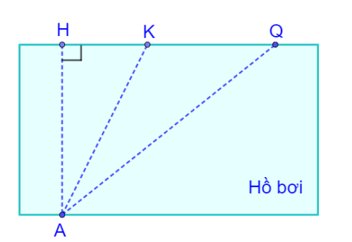 | \begin{tikzpicture} [join = round, cap = round, >=stealth, transform shape, scale = 1, line width =1pt] \path (0,0) coordinate (H) (1,0) coordinate (K) (3,0) coordinate (Q) (0,-2.5) coordinate (A) ; \draw[fill=cyan!20, draw=black, line width=1pt] (-0.5,-2.5) rectangle (3.5,0); %tạo hình chữ nhật xanh \draw[dashed] (A)--(H) (A)--(Q) (K)--(A) ; \draw pic[draw, angle radius=3mm]{right angle=Q--H--A}; \node at (2.8,-2.2) {Hồ bơi}; \foreach \x/ \goc in {Q/90,H/90,K/90,A/-90} \fill (\x) circle (1.5pt) ($(\x)+(\goc:3.5mm)$) node {$\x$}; \end{tikzpicture} | 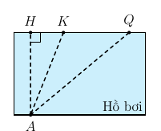 | Ngân | Toán 7
 | Vy | Đề 11 |  |  |  |  | Toán 7
 |  |  |  | \begin{tikzpicture} [join = round, cap = round, >=stealth, transform shape, scale = 0.8, line width =1pt] %Hình 1 \path (0,0) coordinate (O); \draw[fill=white] (0,0) circle (2.6); \draw[fill=white] (0,0) circle (2.35); \draw[fill=black] (0,0) circle (2.1); \draw[color=white, line width=0.07cm] (O) circle (1.84); \draw[fill=black] (0,0) circle (1.85); \draw[fill=blue] (0,0) circle (1.6); \draw[fill=blue] (0,0) circle (1.35); \draw[fill=red] (0,0) circle (1.1); \draw[fill=red] (0,0) circle (0.85); \draw[fill=yellow] (0,0) circle (0.6); \draw[fill=yellow] (0,0) circle (0.35); \draw[fill=yellow] (0,0) circle (0.2); \draw[fill=black] (0,0) circle (0.05); \end{tikzpicture} |  | Ngân | Toán 6
 |  |  |  | \begin{tikzpicture} [join = round, cap = round, >=stealth, transform shape, scale = 1, line width =1pt] \path (0,0) coordinate (H) ; \draw[dashed] (H)--++(110:2) coordinate (D) (H)--++(-40:2) coordinate (F) (H)--++(200:2) coordinate (E) ; \tkzMarkSegments[mark=s||](H,E); \tkzMarkSegments[mark=s||](H,D); \tkzMarkSegments[mark=s||](H,F); \foreach \x/ \goc in {H/-90,D/90,E/-110,F/-70} \fill (\x) circle (1.5pt) ($(\x)+(\goc:3.5mm)$) node {$\x$}; \end{tikzpicture} |  | Ngân | toán 7
 | Thùy | Đề 12 |  | \begin{tikzpicture} [scale=1,line width=0.8pt,line join=round,>=stealth] \def\d{3.5cm} \def\g{50} \path (0,0) coordinate (O) (1.6*\d,0) coordinate (x) node[below]{$x$} ($(O)!0.9!\g:(x)$) coordinate (y) node[above]{$y$} (\d,0) coordinate (A) ($(O)!1!\g:(A)$) coordinate (B) ($(A)!(O)!(B)$) coordinate (D) ($(O)!0.5!(B)$) coordinate (E) ($(A)!1.3!-90:(B)$) coordinate (z) node[below]{$z$} ($(O)!(E)!(D)$) coordinate (H) (intersection of E--D and A--z) coordinate (C) ; \draw (x)--(O)--(y) (z)--(A)--(B) (O)--(D)--(C) (E)--(H) ; \draw [dashed] (E)--(D); \foreach \x/ \goc in {A/-90,B/110,D/30,E/180,O/-100,H/-40,C/-90} \fill (\x) circle (1.5pt) ($(\x)+(\goc:3.5mm)$) node {$\x$}; \draw pic[draw, angle radius=2.5mm]{right angle=E--H--D}; \draw pic[draw, angle radius=2.5mm]{right angle=O--D--A}; \draw pic[draw, angle radius=2.5mm]{right angle=D--A--C}; \tkzMarkSegments[mark=s||](B,D); \tkzMarkSegments[mark=s||](A,D); \tkzMarkSegments[mark=s|](O,B); \tkzMarkSegments[mark=s|](O,A); \end{tikzpicture} |  | Trâm | Toán 7
 |  |  | 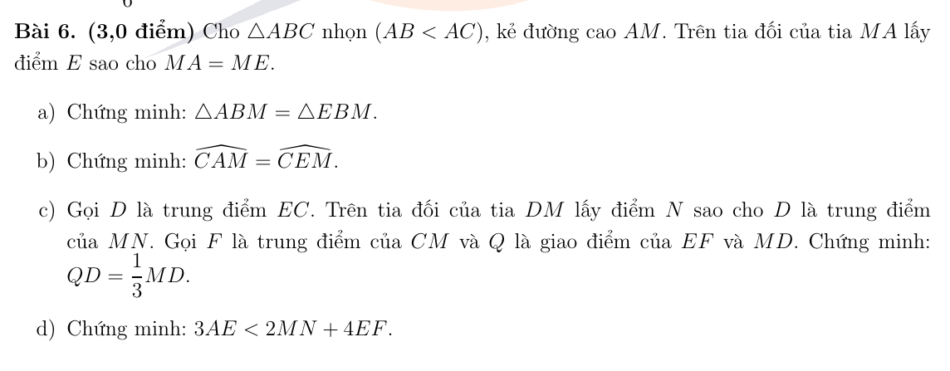 | \begin{tikzpicture}[scale=1,line width=0.8pt,line join=round,>=stealth] \path (0,0) coordinate (B) (6.5,0) coordinate (C) ($(B)!0.65!65:(C)$) coordinate (A) ($(B)!0.65!-65:(C)$) coordinate (E) (intersection of B--C and A--E) coordinate (M) ($(M)!0.5!(C)$) coordinate (F) ($(E)!0.5!(C)$) coordinate (D) (intersection of M--D and E--F) coordinate (Q) ($(M)!2!(D)$) coordinate (N) ; \draw (B)--(A)--(C)--(E)--cycle (A)--(E) (B)--(C) (M)--(N) (E)--(F); \foreach \x/ \goc in {A/90,B/180,C/-20,E/-90,M/-135,F/90,D/-80,Q/-80,N/-90} \fill (\x) circle (1.5pt) ($(\x)+(\goc:3.5mm)$) node {$\x$}; \draw pic[draw, angle radius=2.5mm]{right angle=A--M--C}; \tkzMarkSegments[mark=s|](A,M); \tkzMarkSegments[mark=s|](M,E); \tkzMarkSegments[mark=s||](E,D); \tkzMarkSegments[mark=s||](D,C); \tkzMarkSegments[mark=s|||](M,D); \tkzMarkSegments[mark=s|||](D,N); \draw (M)--(F) node[midway]{x} (C)--(F) node[midway]{x}; \end{tikzpicture} | 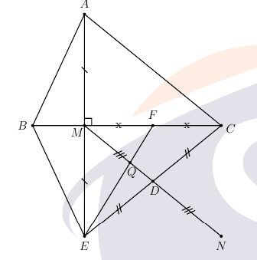 | Trâm | Toán 7
 |  |  |  | \begin{tikzpicture}[scale=1,font=\small,line join=round,line cap=round,>=stealth] \def\r{1.8} \def\g{12.5} \path (0,0) coordinate (O) (0,0.75*\r )coordinate (x) (0,0.9*\r )coordinate (y) ($(O)!1!-\g:(x)$) coordinate (A) ($(O)!1!-\g:(y)$) coordinate (B) ($(O)!1!\g:(x)$) coordinate (A') ($(O)!1!\g:(y)$) coordinate (B') ; \draw[blue,line width=1.2pt] (O) circle (\r); \draw[teal,line width=0.9pt,fill=teal!10!white] (B')--(O)--(B)--cycle; \draw[red,line width=0.9pt,fill=red!10!white] (A')--(A)--(O)--cycle; \foreach \x in {1.9,4.8,7.6,10.5,13.4,16.3,19.2,22.1,25} {\draw[teal,line width=0.9pt,fill=teal!10!white] ($(O)!1!-\x*\g:(y)$)--(O)--($(O)!1!-(\x+2)*\g:(y)$)--cycle; \draw[red,line width=0.9pt,fill=red!10!white] ($(O)!1!-\x*\g:(x)$)--(O)--($(O)!1!-(\x+2)*\g:(x)$)--cycle;} \end{tikzpicture} |  | Trâm | Toán 6
 |  |  |  | \begin{tikzpicture} [scale=1,line width=0.8pt,line join=round,>=stealth] \path (0,0) coordinate (H) (-2.7,-0.5) coordinate (e) ($(e)!2.8!(H)$) coordinate (f) (-1.7,5) coordinate (a) node[right]{$a$} ($(a)!0.4!(H)$) coordinate (A) ($(a)!1.5!(H)$) coordinate (b) node[right]{$b$} ($(a)!1.3!(H)$) coordinate (B) (-3.2,2.7) coordinate (m) ($(m)!0.5!(A)$) coordinate (E) ($(m)!3.3!(A)$) coordinate (n) ($(m)!2.5!(A)$) coordinate (I) ($(m)!3!(A)$) coordinate (F) (4.8,4.9) coordinate (y) node[right]{$y$} ($(y)!0.4!(F)$) coordinate (C) ($(y)!1.65!(F)$) coordinate (J) ($(y)!5!(F)$) coordinate (x) node[right]{$x$} ($(I)!-2.5!(J)$) coordinate (p) ($(I)!8.5!(J)$) coordinate (t) (intersection of x--y and a--b) coordinate (D) (intersection of x--y and e--f) coordinate (G) ; \draw (e)--(f) (a)--(b) (m)--(n) (x)--(y) (p)--(t); \foreach \x/ \goc in {H/-35,A/-35,B/0,E/-90,I/-130,F/-40,C/0,J/-30,D/0,G/-40} \fill (\x) circle (1.5pt) ($(\x)+(\goc:3.5mm)$) node {$\x$}; \end{tikzpicture} |  | Trâm | Toán 6
 |  |  |  | \begin{tikzpicture}[scale=1,font=\small,line join=round,>=stealth] \def\hoanh{9} \def\tung{6} \def\sc{1.5} \def\w{0.6} % bề rộng mỗi cột % --- Trục toạ độ --- \draw[->] (0,0)node[left]{0}--(\hoanh,0) node[right]{\footnotesize \textbf{Khối}}; \draw[->] (0,0)--(0,\tung+1) node[above,rotate=0]{\footnotesize \textbf{Số học sinh}}; % --- Chia vạch tung --- \foreach \y in {1,2,...,10}{ \draw (-0.1,\y/\sc)node[left]{$\y$}--++(0:0.2); } % --- Cột dữ liệu --- \foreach \x/\nam/\nu in{1/7/9,3/9/7,5/9/8,7/9/8}{ % Nam: chấm bi \fill[pattern=dots,pattern color=teal!80!black,draw=teal] (\x-\w,0) rectangle ++(\w,\nam/\sc) node[black,font=\footnotesize,above] at (\x-0.3,\nam/\sc){\nam}; % Nữ: sọc chéo \fill[pattern=north east lines,pattern color=teal!80!black,draw=teal] (\x,0) rectangle ++(\w,\nu/\sc) node[black,font=\footnotesize,above] at (\x+0.3,\nu/\sc){\nu}; } % --- Nhãn các khối --- \foreach \x/\p in {1/6,3/7,5/8,7/9}{ \node[font=\footnotesize,magenta] at (\x,-0.4){\textbf{\p}}; } % --- Chú thích --- \fill[pattern=dots,pattern color=teal!80!black,draw=teal] (8.2,4.3) rectangle (8.5,4.0) node[right,xshift=0.3em]{\footnotesize Nam}; \fill[pattern=north east lines,pattern color=teal!80!black,draw=teal] (8.2,3.8) rectangle (8.5,3.5) node[right,xshift=0.3em]{\footnotesize Nữ}; \end{tikzpicture} | 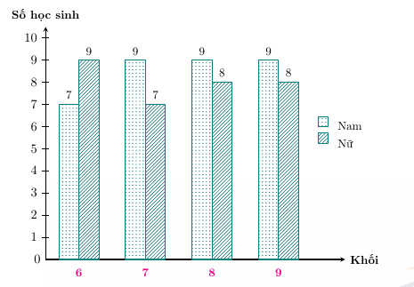 | Ngân

